Fig.S1
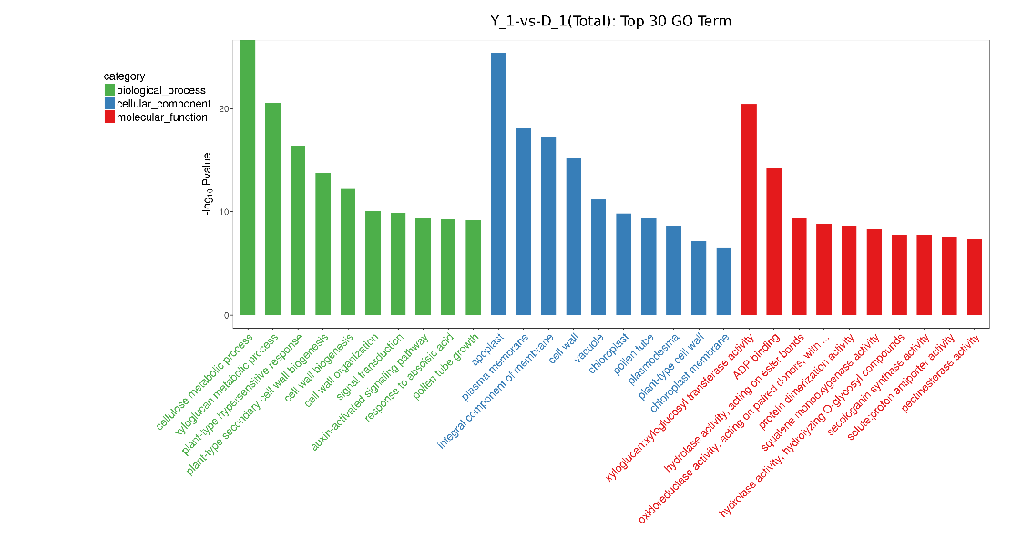
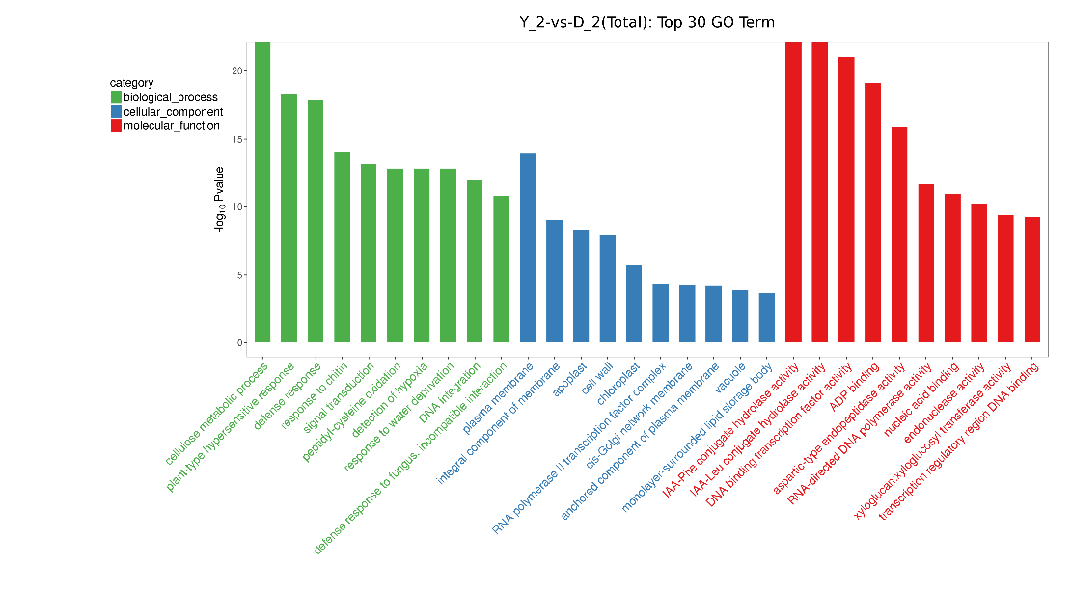
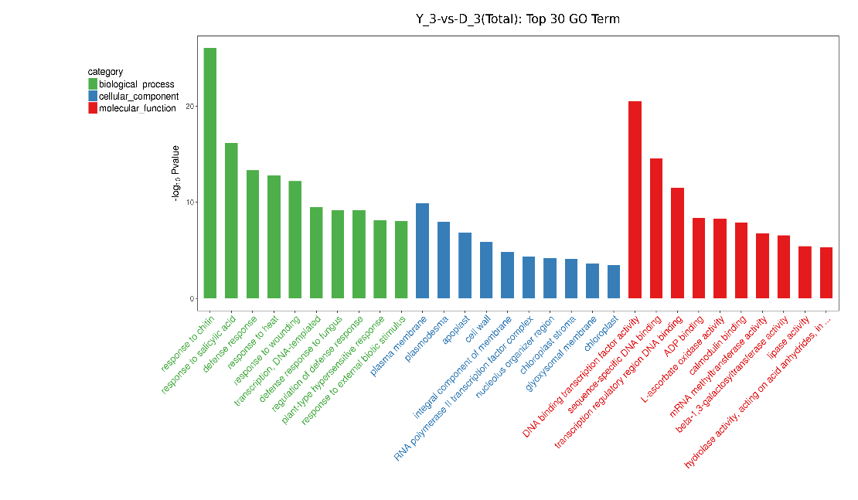
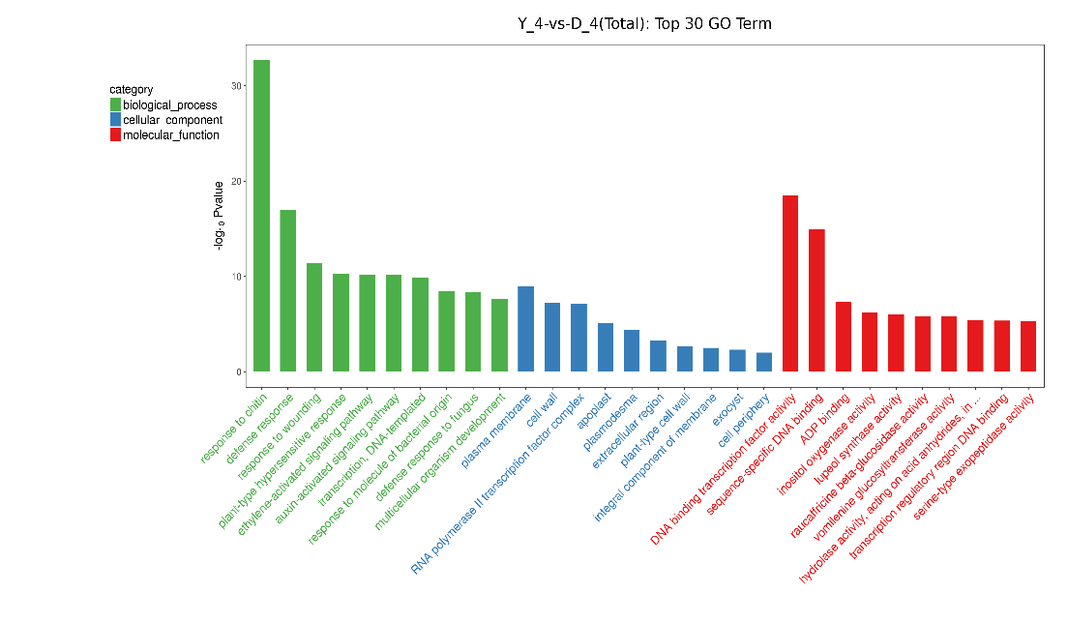
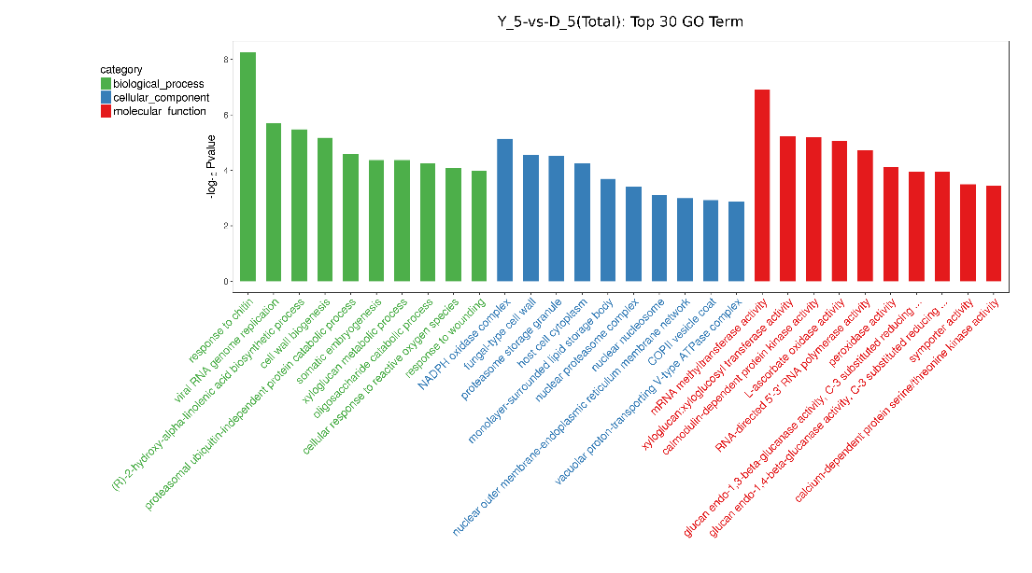
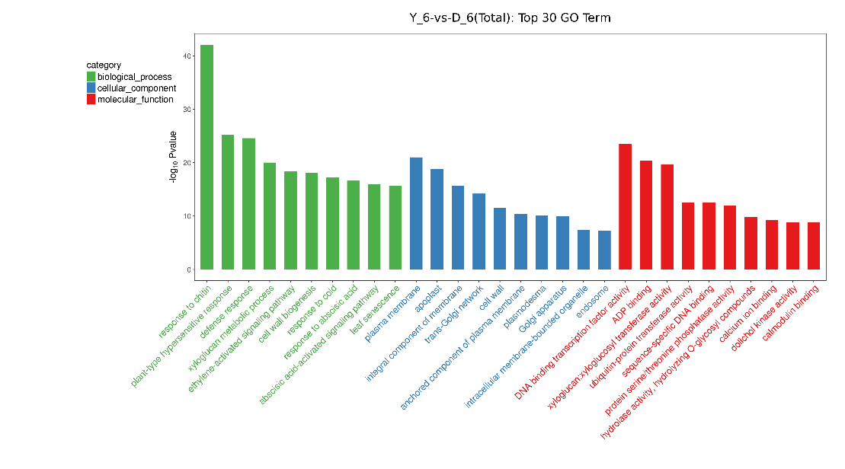
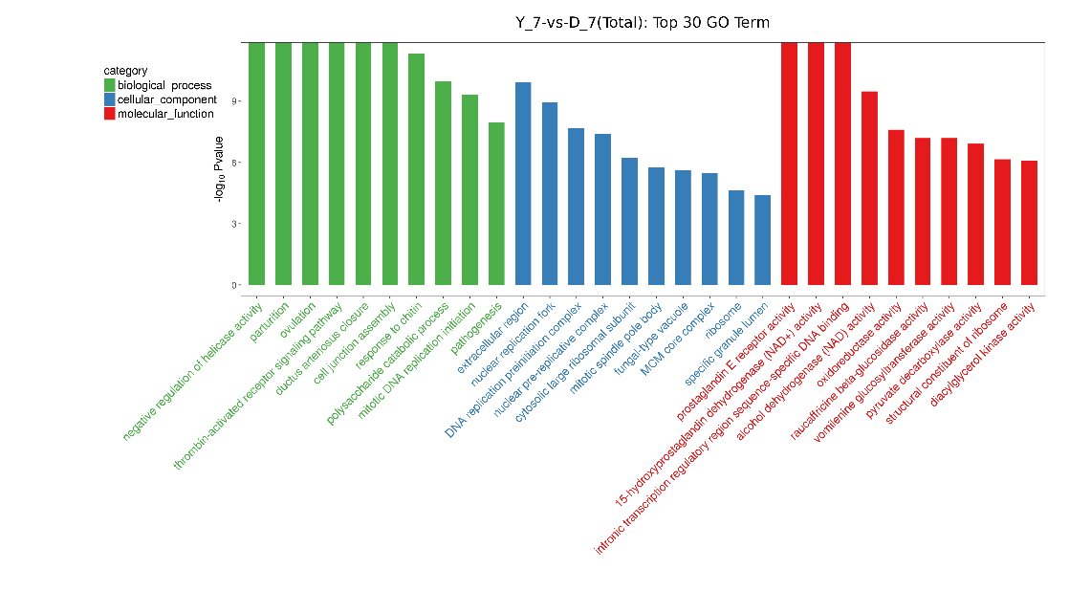
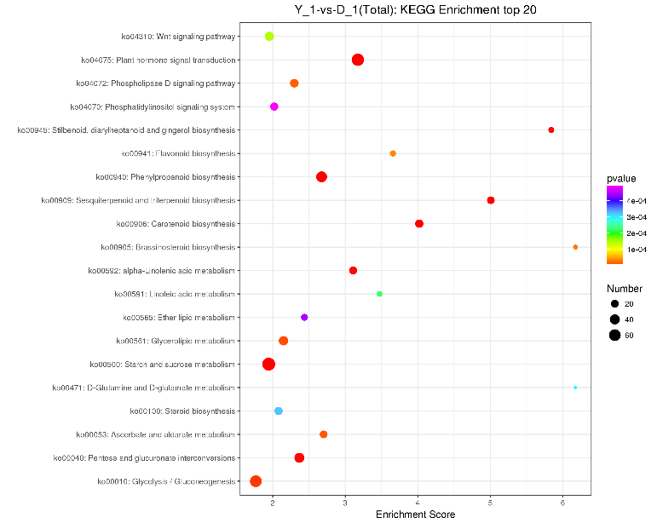
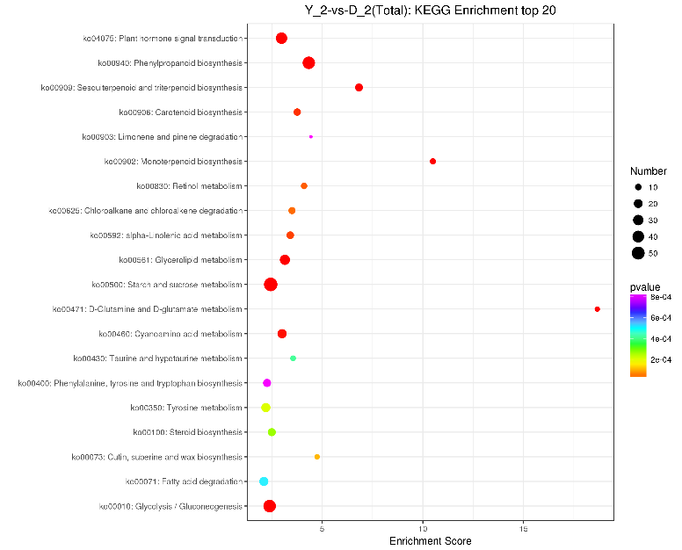
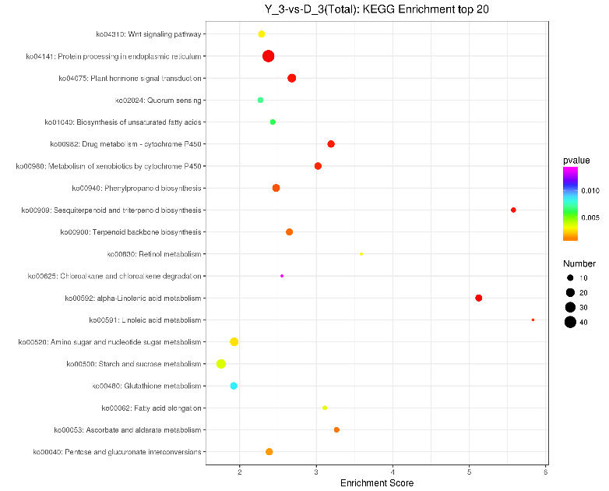
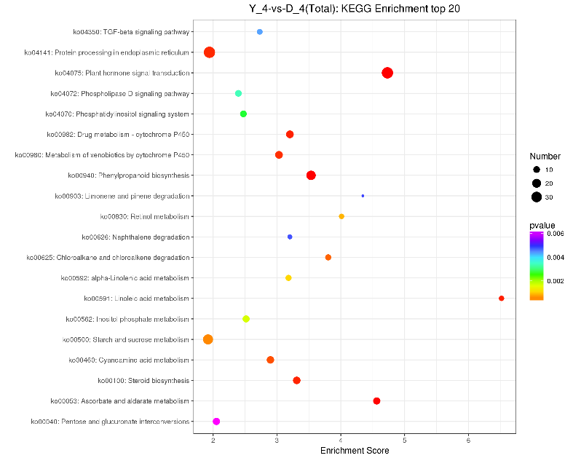
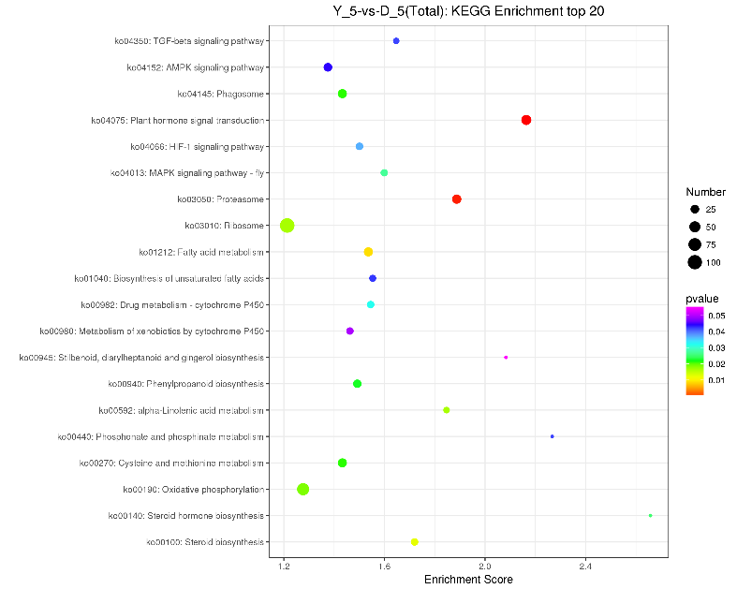
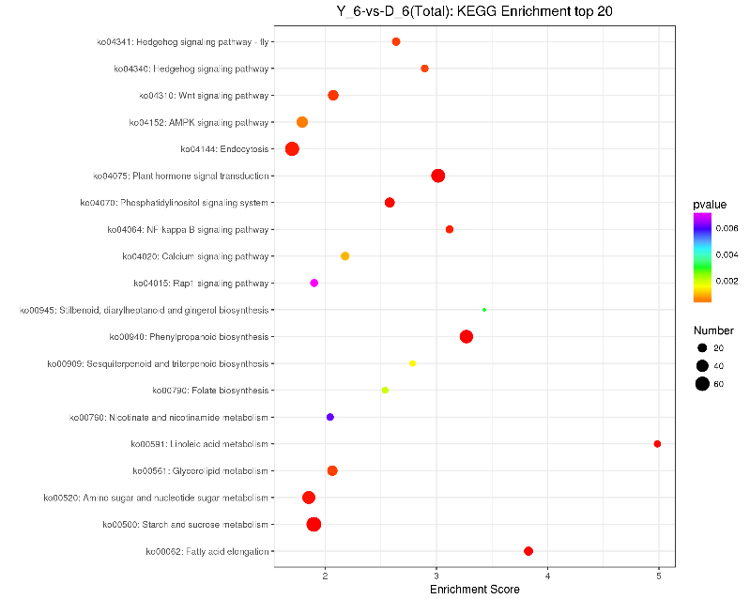
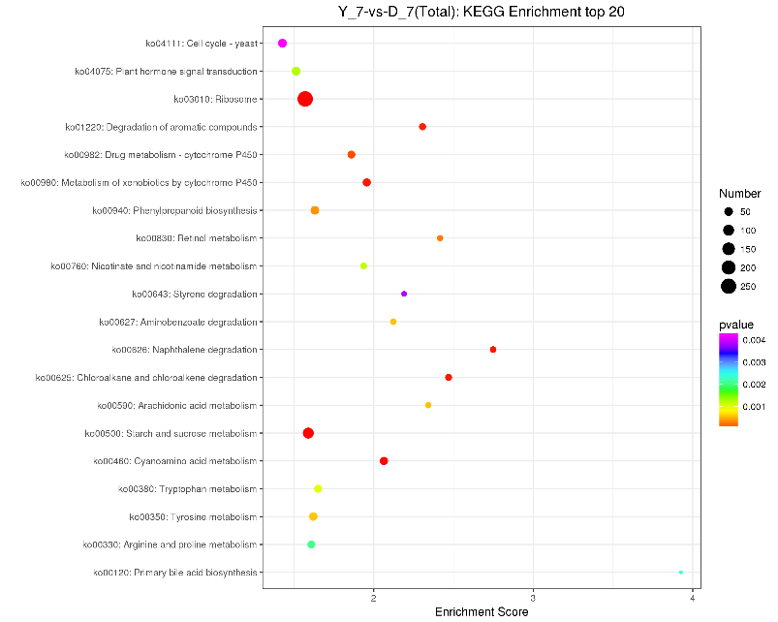
A
B
C
D
E
F
G
H
I
J
K
L
M
N
 | BP | CC | MF | KEGG
S1 | cellulose metabolic process | apoplast | xyloglucan:xyloglucosyl transferase activity | Plant hormone signal transduction
S1 | xyloglucan metabolic process | plasma membrane | ADP binding | Phenylpropanoid biosynthesis
S1 | plant-type hypersensitive response | integral component of membrane | hydrolase activity, acting on ester bonds | Sesquiterpenoid and triterpenoid biosynthesis
S1 | plant-type secondary cell wall biogenesis | cell wall | oxidoreductase activity, acting on paired donors, with incorporation or reduction of molecular oxygen, NAD(P)H as one donor, and incorporation of one atom of oxygen | Carotenoid biosynthesis
S1 | cell wall biogenesis | vacuole | protein dimerization activity | Starch and sucrose metabolism
S1 | cell wall organization | chloroplast | squalene monooxygenase activity | Pentose and glucuronate interconversions
S1 | signal transduction | pollen tube | hydrolase activity, hydrolyzing O-glycosyl compounds | Stilbenoid, diarylheptanoid and gingerol biosynthesis
S1 | auxin-activated signaling pathway | plasmodesma | secologanin synthase activity | alpha-Linolenic acid metabolism
S1 | response to abscisic acid | plant-type cell wall | solute:proton antiporter activity | Glycolysis / Gluconeogenesis
S1 | pollen tube growth | chloroplast membrane | pectinesterase activity | Glycerolipid metabolism
 |  |  |  | Ascorbate and aldarate metabolism
 |  |  |  | Phospholipase D signaling pathway
 |  |  |  | Brassinosteroid biosynthesis
 |  |  |  | Flavonoid biosynthesis
 |  |  |  | Wnt signaling pathway
 |  |  |  | Linoleic acid metabolism
 |  |  |  | D-Glutamine and D-glutamate metabolism
 |  |  |  | Steroid biosynthesis
 |  |  |  | Ether lipid metabolism
 |  |  |  | Phosphatidylinositol signaling system

S2 | cellulose metabolic process | plasma membrane | IAA-Phe conjugate hydrolase activity | Phenylpropanoid biosynthesis
S2 | plant-type hypersensitive response | integral component of membrane | IAA-Leu conjugate hydrolase activity | Starch and sucrose metabolism
S2 | defense response | apoplast | DNA binding transcription factor activity | Sesquiterpenoid and triterpenoid biosynthesis
S2 | response to chitin | cell wall | ADP binding | D-Glutamine and D-glutamate metabolism
S2 | signal transduction | chloroplast | aspartic-type endopeptidase activity | Plant hormone signal transduction
S2 | peptidyl-cysteine oxidation | RNA polymerase II transcription factor complex | RNA-directed DNA polymerase activity | Monoterpenoid biosynthesis
S2 | detection of hypoxia | cis-Golgi network membrane | nucleic acid binding | Glycolysis / Gluconeogenesis
S2 | response to water deprivation | anchored component of plasma membrane | endonuclease activity | Glycerolipid metabolism
S2 | DNA integration | vacuole | xyloglucan:xyloglucosyl transferase activity | Cyanoamino acid metabolism
S2 | defense response to fungus, incompatible interaction | monolayer-surrounded lipid storage body | transcription regulatory region DNA binding | Carotenoid biosynthesis
 |  |  |  | alpha-Linolenic acid metabolism
 |  |  |  | Retinol metabolism
 |  |  |  | Chloroalkane and chloroalkene degradation
 |  |  |  | Cutin, suberine and wax biosynthesis
 |  |  |  | Tyrosine metabolism
 |  |  |  | Steroid biosynthesis
 |  |  |  | Taurine and hypotaurine metabolism
 |  |  |  | Fatty acid degradation
 |  |  |  | Phenylalanine, tyrosine and tryptophan biosynthesis
 |  |  |  | Limonene and pinene degradation

S3 | response to chitin | plasma membrane | DNA binding transcription factor activity | Protein processing in endoplasmic reticulum
S3 | response to salicylic acid | plasmodesma | sequence-specific DNA binding | alpha-Linolenic acid metabolism
S3 | defense response | apoplast | transcription regulatory region DNA binding | Plant hormone signal transduction
S3 | response to heat | cell wall | ADP binding | Sesquiterpenoid and triterpenoid biosynthesis
S3 | response to wounding | integral component of membrane | L-ascorbate oxidase activity | Drug metabolism - cytochrome P450
S3 | transcription, DNA-templated | RNA polymerase II transcription factor complex | calmodulin binding | Metabolism of xenobiotics by cytochrome P450
S3 | defense response to fungus | nucleolus organizer region | mRNA methyltransferase activity | Linoleic acid metabolism
S3 | regulation of defense response | chloroplast stroma | beta-1,3-galactosyltransferase activity | Phenylpropanoid biosynthesis
S3 | plant-type hypersensitive response | glyoxysomal membrane | lipase activity | Terpenoid backbone biosynthesis
S3 | response to external biotic stimulus | chloroplast | hydrolase activity, acting on acid anhydrides, in phosphorus-containing anhydrides | Ascorbate and aldarate metabolism
 |  |  |  | Pentose and glucuronate interconversions
 |  |  |  | Amino sugar and nucleotide sugar metabolism
 |  |  |  | Wnt signaling pathway
 |  |  |  | Retinol metabolism
 |  |  |  | Fatty acid elongation
 |  |  |  | Starch and sucrose metabolism
 |  |  |  | Biosynthesis of unsaturated fatty acids
 |  |  |  | Quorum sensing
 |  |  |  | Chloroalkane and chloroalkene degradation
 |  |  |  | Glutathione metabolism

S4 | response to chitin | plasma membrane | DNA binding transcription factor activity | Plant hormone signal transduction | 36
S4 | defense response | cell wall | sequence-specific DNA binding | Phenylpropanoid biosynthesis | 23
S4 | response to wounding | RNA polymerase II transcription factor complex | ADP binding | Ascorbate and aldarate metabolism | 12
S4 | plant-type hypersensitive response | apoplast | inositol oxygenase activity | Linoleic acid metabolism | 6
S4 | ethylene-activated signaling pathway | plasmodesma | lupeol synthase activity | Drug metabolism - cytochrome P450 | 14
S4 | auxin-activated signaling pathway | extracellular region | raucaffricine beta-glucosidase activity | Steroid biosynthesis | 13
S4 | transcription, DNA-templated | plant-type cell wall | vomilenine glucosyltransferase activity | Protein processing in endoplasmic reticulum | 36
S4 | response to molecule of bacterial origin | integral component of membrane | hydrolase activity, acting on acid anhydrides, in phosphorus-containing anhydrides | Metabolism of xenobiotics by cytochrome P450 | 14
S4 | defense response to fungus | exocyst | transcription regulatory region DNA binding | Cyanoamino acid metabolism | 13
S4 | multicellular organism development | cell periphery | serine-type exopeptidase activity | Chloroalkane and chloroalkene degradation | 8
 |  |  |  | Starch and sucrose metabolism | 27
 |  |  |  | Retinol metabolism | 6
 |  |  |  | alpha-Linolenic acid metabolism | 8
 |  |  |  | Inositol phosphate metabolism | 11
 |  |  |  | Phosphatidylinositol signaling system | 10
 |  |  |  | Phospholipase D signaling pathway | 10
 |  |  |  | TGF-beta signaling pathway | 7
 |  |  |  | Naphthalene degradation | 5
 |  |  |  | Limonene and pinene degradation | 3
 |  |  |  | Pentose and glucuronate interconversions | 12

S5 | response to chitin | NADPH oxidase complex | mRNA methyltransferase activity | Plant hormone signal transduction | 39
S5 | viral RNA genome replication | fungal-type cell wall | xyloglucan:xyloglucosyl transferase activity | Proteasome | 31
S5 | (R)-2-hydroxy-alpha-linolenic acid biosynthetic process | proteasome storage granule | calmodulin-dependent protein kinase activity | Fatty acid metabolism | 29
S5 | cell wall biogenesis | host cell cytoplasm | L-ascorbate oxidase activity | Steroid biosynthesis | 16
S5 | proteasomal ubiquitin-independent protein catabolic process | monolayer-surrounded lipid storage body | RNA-directed 5'-3' RNA polymerase activity | Ribosome | 105
S5 | somatic embryogenesis | nuclear proteasome complex | peroxidase activity | alpha-Linolenic acid metabolism | 11
S5 | xyloglucan metabolic process | nuclear nucleosome | glucan endo-1,3-beta-glucanase activity, C-3 substituted reducing group | Oxidative phosphorylation | 65
S5 | oligosaccharide catabolic process | nuclear outer membrane-endoplasmic reticulum membrane network | glucan endo-1,4-beta-glucanase activity, C-3 substituted reducing group | Cysteine and methionine metabolism | 29
S5 | cellular response to reactive oxygen species | COPII vesicle coat | symporter activity | Phagosome | 29
S5 | response to wounding | vacuolar proton-transporting V-type ATPase complex | calcium-dependent protein serine/threonine kinase activity | Phenylpropanoid biosynthesis | 23
 |  |  |  | Steroid hormone biosynthesis | 3
 |  |  |  | MAPK signaling pathway - fly | 15
 |  |  |  | Drug metabolism - cytochrome P450 | 16
 |  |  |  | HIF-1 signaling pathway | 17
 |  |  |  | TGF-beta signaling pathway | 10
 |  |  |  | Phosphonate and phosphinate metabolism | 3
 |  |  |  | Biosynthesis of unsaturated fatty acids | 13
 |  |  |  | AMPK signaling pathway | 25
 |  |  |  | Metabolism of xenobiotics by cytochrome P450 | 16
 |  |  |  | Stilbenoid, diarylheptanoid and gingerol biosynthesis | 3

S6 | response to chitin | plasma membrane | DNA binding transcription factor activity | Phenylpropanoid biosynthesis | 51
S6 | plant-type hypersensitive response | apoplast | ADP binding | Plant hormone signal transduction | 55
S6 | defense response | integral component of membrane | xyloglucan:xyloglucosyl transferase activity | Fatty acid elongation | 19
S6 | xyloglucan metabolic process | trans-Golgi network | ubiquitin-protein transferase activity | Starch and sucrose metabolism | 64
S6 | ethylene-activated signaling pathway | cell wall | sequence-specific DNA binding | Linoleic acid metabolism | 11
S6 | cell wall biogenesis | anchored component of plasma membrane | protein serine/threonine phosphatase activity | Phosphatidylinositol signaling system | 25
S6 | response to cold | plasmodesma | hydrolase activity, hydrolyzing O-glycosyl compounds | Amino sugar and nucleotide sugar metabolism | 47
S6 | response to abscisic acid | Golgi apparatus | calcium ion binding | Endocytosis | 58
S6 | abscisic acid-activated signaling pathway | intracellular membrane-bounded organelle | dolichol kinase activity | NF-kappa B signaling pathway | 14
S6 | leaf senescence | endosome | calmodulin binding | Wnt signaling pathway | 28
 |  |  |  | Hedgehog signaling pathway - fly | 16
 |  |  |  | Glycerolipid metabolism | 27
 |  |  |  | Hedgehog signaling pathway | 13
 |  |  |  | AMPK signaling pathway | 33
 |  |  |  | Calcium signaling pathway | 17
 |  |  |  | Sesquiterpenoid and triterpenoid biosynthesis | 9
 |  |  |  | Folate biosynthesis | 10
 |  |  |  | Stilbenoid, diarylheptanoid and gingerol biosynthesis | 5
 |  |  |  | Nicotinate and nicotinamide metabolism | 12
 |  |  |  | Rap1 signaling pathway | 14

S7 | negative regulation of helicase activity | extracellular region | prostaglandin E receptor activity | Ribosome | 254
S7 | parturition | nuclear replication fork | 15-hydroxyprostaglandin dehydrogenase (NAD+) activity | Starch and sucrose metabolism | 99
S7 | ovulation | DNA replication preinitiation complex | intronic transcription regulatory region sequence-specific DNA binding | Cyanoamino acid metabolism | 41
S7 | thrombin-activated receptor signaling pathway | nuclear pre-replicative complex | alcohol dehydrogenase (NAD) activity | Naphthalene degradation | 19
S7 | ductus arteriosus closure | cytosolic large ribosomal subunit | oxidoreductase activity | Chloroalkane and chloroalkene degradation | 23
S7 | cell junction assembly | mitotic spindle pole body | raucaffricine beta-glucosidase activity | Metabolism of xenobiotics by cytochrome P450 | 40
S7 | response to chitin | fungal-type vacuole | vomilenine glucosyltransferase activity | Degradation of aromatic compounds | 25
S7 | polysaccharide catabolic process | MCM core complex | pyruvate decarboxylase activity | Drug metabolism - cytochrome P450 | 36
S7 | mitotic DNA replication initiation | ribosome | structural constituent of ribosome | Retinol metabolism | 16
S7 | pathogenesis | specific granule lumen | diacylglycerol kinase activity | Phenylpropanoid biosynthesis | 47
 |  |  |  | Arachidonic acid metabolism | 15
 |  |  |  | Aminobenzoate degradation | 19
 |  |  |  | Tyrosine metabolism | 44
 |  |  |  | Tryptophan metabolism | 37
 |  |  |  | Nicotinate and nicotinamide metabolism | 21
 |  |  |  | Plant hormone signal transduction | 51
 |  |  |  | Arginine and proline metabolism | 35
 |  |  |  | Primary bile acid biosynthesis | 4
 |  |  |  | Styrene degradation | 11
 |  |  |  | Cell cycle - yeast | 51

Fig.S2
GeneID | S1 | S2 | S3 | S4 | S5 | S6 | S7 | KEGG gene name
TRINITY_DN361_c0_g1_i1_12 | 0.23155143183 | 0.62790992462 | 0.74367707738 | 0.89034209722 | 0.65702918054 | 1.3073634652 | 0.26114460426 | BRI1
TRINITY_DN25400_c0_g1_i1_14 | 0.29971612971 | 1.0341583958 | 0.60721684742 | 0.77048937438 | 0.91503819926 | 1.3462113048 | 0.63029319166 | BRI1
A
B
C
D
E
F
TRINITY_DN21641_c2_g1_i1_3 | 0.60266795814 | 0.42940289961 | 1.0054603005 | 8.1676333349 | 0.96964878778 | 0.066218569472 | 0.090800040662 | BAK1
TRINITY_DN25715_c0_g1_i2_10 | 0.057365891096 | 1.2321771737 | 0.66019761071 | 2.5409930215 | 100 | 0.2324796179 |  | BAK1
TRINITY_DN22761_c1_g1_i1_18 | 0.53668465478 | 1.250585179 | 1.4678136807 | 1.0818518828 | 1.3829247134 | 0.2615234342 | 2.6268270845 | BAK1
TRINITY_DN21918_c2_g5_i1_2 | 0.53701792443 | 0.68362787126 | 1.5821530291 | 2.2245024179 | 1.656066935 | 0.13826935816 | 1.7845955047 | BAK1
TRINITY_DN22823_c0_g2_i3_23 | 0.97902066992 | 0.88453039566 | 1.481785495 | 1.1713839363 | 1.4631910773 | 0.17158826345 | 2.2688013616 | BAK1
TRINITY_DN29742_c0_g2_i6_14 | 0.96419368677 | 0.69947292304 | 1.3853310867 | 1.0383730999 | 2.1223497782 | 0.15360709845 | 2.0099756 | BAK1
TRINITY_DN32993_c0_g1_i1_22 | 1.1812263148 | 1.1280163425 | 0.42552743256 | 0.78671457698 | 0.79848202067 | 2.0397569775 | 0.79521060048 | MYC2
TRINITY_DN46884_c0_g1_i1_29 | 0.11903639331 | 2.0156607685 | 3.8744702862 | 0.95123763303 | 0.63896891442 | 1.3342233014 | 0.53820166179 | MYC2
TRINITY_DN27296_c0_g1_i1_7 | 1.2013599326 | 0.69902741021 | 2.514190811 | 4.0768713174 | 2.0518563312 | 0.51315600473 | 0.39968669817 | MYC2
TRINITY_DN19929_c0_g1_i1_28 | 3.5405817336 | 1.1808239821 | 1.0592536999 | 1.0862151614 | 0.79727344177 | 0.75078066833 | 0.57029935473 | JAZ
TRINITY_DN16862_c0_g1_i5_15 | 2.1096075545 | 3.8221698246 | 1.7484940026 | 1.1399052614 | 1.8955404467 | 0.15228571257 | 2.2332582906 | JAZ
TRINITY_DN15154_c0_g1_i3_22 | 1.3631875356 | 2.6911003001 | 1.5701221543 | 1.6690942395 | 2.9474252576 | 0.25434340519 | 0.8466950982 | JAZ
TRINITY_DN17538_c0_g1_i4_25 | 0.0714819244 | 0.092666687024 | 1.1526709891 | 0.73718982329 | 0.86548590503 | 100 | 100 | JAZ
TRINITY_DN21969_c0_g1_i6_10 | 2.1048221574 | 3.9989405772 | 1.0593388901 | 1.3617462956 |  |  | 100 | JAZ
TRINITY_DN15879_c0_g1_i8_24 | 2.4669105362 | 2.4384375282 | 0.95129077331 | 0.98503004577 | 0.90197909843 | 1.4074504314 | 100 | JAZ
TRINITY_DN12425_c0_g1_i4_26 | 1.3102766718 | 1.417320724 | 1.0496857892 | 0.97421200767 | 0.99458753066 | 0.24069100686 | 1.1645351672 | JAZ
TRINITY_DN20144_c0_g1_i4_26 | 1.845770566 | 1.6035046537 | 1.2090157765 | 1.2663863056 | 1.3326212053 | 0.46979510274 | 1.4188144673 | JAZ
TRINITY_DN18604_c0_g1_i2_2 | 0.5099350934 | 1.5431630175 | 0.98960727539 | 1.0766292683 | 1.1562182459 | 0.27358883056 | 2.1631280561 | JAZ
TRINITY_DN32384_c0_g1_i4_29 | 1.471976146 | 1.3393710688 | 0.62992629582 | 1.1361204005 | 1.1273839648 | 0.20023994013 | 2.4968096165 | JAZ
TRINITY_DN16038_c0_g1_i2_19 | 1.7731275625 | 3.7730358842 | 1.7242044423 | 1.2542866848 | 1.7827177708 | 0.16349520374 | 2.7380113053 | JAZ
TRINITY_DN17465_c0_g1_i4_2 | 0.3077915987 | 0.94187706343 | 0.7676626645 | 0.66228830659 | 0.77978903731 | 1.0160420272 | 0.96654168539 | JAZ
TRINITY_DN19100_c0_g1_i3_16 | 0.80415521562 | 6.2573633529 | 1.1094948392 | 0.43708049784 | 0.21900442178 | 0.45950916299 | 100 | JAZ
TRINITY_DN18581_c1_g1_i1_12 | 0.083295727131 | 0.79794140158 | 1.3624709726 | 0.72765199551 | 0.72390215562 | 0.58065646678 | 0.71117415717 | AUX1, LAX
TRINITY_DN35300_c0_g1_i1_7 | 1.0521640704 | 1.0733797402 | 0.911929539 | 1.2151158038 | 0.96278813397 | 0.96909909706 | 0.478916757 | AUX1, LAX
TRINITY_DN19189_c0_g1_i1_8 | 0.096933104487 | 0.99241708302 | 1.1346647317 | 0.77644242239 | 0.86545690835 | 0.66742598541 | 0.68707494531 | AUX1, LAX
TRINITY_DN56959_c0_g1_i1_29 | 0.56120967886 | 0.3055510293 | 0.74662507411 | 0.79289138472 | 1.1052138696 | 0.9209091399 | 2.5611804744 | TGA
TRINITY_DN28419_c2_g6_i8_14 | 0.060296777512 | 2.0253480412 | 1.0633971613 | 0.18210474238 | 0.62465806509 | 0.2203785861 | 100 | TGA
TRINITY_DN28519_c0_g1_i1_10 | 0 | 0 | 2.1389733744 | 100 |  |  |  | TGA
TRINITY_DN21829_c1_g4_i1_15 | 1.2247062683 | 1.2155694503 | 1.3386086602 | 0.8363541126 | 1.5970351207 | 0.91909313556 | 0.20480685824 | ABF
TRINITY_DN13721_c0_g1_i2_19 | 0.058371619755 | 1.0672929177 | 1.548314377 | 1.0033827125 | 0.84813527874 | 1.0503717242 | 1.2448390008 | ABF
TRINITY_DN17364_c0_g1_i1_12 | 0.06771986301 | 0.94395071977 | 1.1417682998 | 0.59177516327 | 0.64655723395 | 0.66212702913 | 2.0873119696 | IAA
TRINITY_DN16015_c0_g1_i4_17 | 1.2304372945 | 0.76815245922 | 1.1251385063 | 1.2827332018 | 1.0972833517 | 0.33596300397 | 1.834939538 | IAA
TRINITY_DN24288_c0_g1_i2_14 | 1.9630351876 | 1.7588617876 | 0.59370357034 | 2.3083726916 | 0.74892375491 | 0.31468215202 | 0.044984871895 | IAA
TRINITY_DN20171_c0_g1_i1_3 | 0.7248867315 | 1.312754697 | 0.57750010986 | 0.60975763327 | 0.39738677844 | 1.925208406 | 100 | IAA
TRINITY_DN11882_c0_g1_i1_23 | 0.21687689608 | 0.72873462098 | 1.3466712573 | 0.9891737951 | 1.2187351646 | 0.17864012888 | 9.750150151 | IAA
TRINITY_DN20187_c0_g1_i3_12 | 0 |  | 0 | 0.61647599526 | 0.078916958169 | 3.9315119932 |  | IAA
TRINITY_DN21770_c0_g1_i3_11 | 0.29193280237 | 0.3077754179 | 1.1310095803 | 0.67004499153 | 0.28651599539 | 1.5720982359 | 0.67363421103 | IAA
TRINITY_DN19734_c0_g1_i1_16 | 4.7574680899 | 1.8915531222 | 0.66380917199 | 0.39233599 | 1.0468096771 | 0.51336044546 | 0.96129861264 | IAA
TRINITY_DN12092_c0_g1_i1_5 | 0.38673583681 | 1.1934847824 | 0.71067996757 | 0.89686377897 | 0.80010126372 | 0.98976996707 | 1.8776269084 | IAA
TRINITY_DN30703_c0_g1_i1_15 | 1.7646862027 | 2.1716234156 | 1.0035334989 | 1.1358287359 | 0.72733208662 | 0.98214444348 | 0.39909787493 | IAA
TRINITY_DN15124_c0_g1_i1_13 | 0.15965538057 | 0.88035669806 | 1.5641778125 | 0.86862166575 | 0.82042955448 | 1.0169975118 | 0.79394910275 | IAA
TRINITY_DN15399_c0_g1_i1_26 | 3.4953292079 | 1.399939396 | 1.1468069763 | 1.3554159956 | 0.68780229229 | 1.573186548 | 2.1337047449 | IAA
TRINITY_DN3501_c0_g1_i1_15 | 2.5767887841 | 2.1899692991 | 0.73652844518 | 1.171540387 | 0.6787553316 | 1.2089874552 | 3.024253447 | IAA
TRINITY_DN5426_c0_g1_i1_7 | 0.15684412151 | 0.75834562871 | 1.0973529729 | 0.914868121 | 1.0959351455 | 0.1750414103 | 3.5707053023 | IAA
TRINITY_DN21841_c2_g4_i1_4 | 1.3592497326 | 0.72087973507 | 0.5792239543 | 0.96279120618 | 0.73115706968 | 1.9888581386 | 0.29339517371 | TIR1
TRINITY_DN35960_c0_g1_i1_29 | 0.46592812317 | 0.53878614121 | 0.76246635699 | 0.78053502415 | 1.0354390798 | 2.829342425 | 0.45229259863 | TIR1
TRINITY_DN24306_c1_g5_i1_9 | 0.56289339504 | 2.021470909 | 2.8142537011 | 1.8424862134 | 0.732540682 | 0.45364113342 | 100 | K14486, ARF
TRINITY_DN20800_c0_g1_i10_24 | 0.036703573959 | 1.6147335238 | 0.50757155346 | 2.7354640727 | 0.086108141211 | 0.20582692179 |  | K14486, ARF
TRINITY_DN25398_c1_g1_i2_8 | 0.80415894985 | 1.3410881042 | 0.70240368872 | 2.0442111147 | 1.4629311604 | 0.78519842046 | 0.18829704926 | K14486, ARF
TRINITY_DN22858_c1_g3_i2_22 | 1.4265332752 | 1.1862235547 | 1.0521156235 | 0.52002533098 | 0.19425319149 | 8.8549734808 | 100 | K14486, ARF
TRINITY_DN22196_c0_g1_i13_27 | 1.3772884695 | 1.2935641477 | 1.2473811349 | 1.1429300197 | 1.2291147826 | 0.52536469901 | 2.0323613904 | K14486, ARF
TRINITY_DN29112_c0_g1_i8_14 | 0.73332403299 | 1.7832560629 | 1.1166382706 | 0.93917784353 | 1.2410616082 | 0.62564931985 | 2.7400037743 | K14486, ARF
TRINITY_DN23115_c0_g1_i1_17 | 2.0868915778 | 2.6761833116 | 0.99183805499 | 1.5025168399 | 1.0941822659 | 0.93639975037 | 0.64354112027 | K14486, ARF
TRINITY_DN26266_c0_g2_i2_11 | 1.536833514 | 0.68364699136 | 0.88589629472 | 0.61076711615 | 1.1821442334 | 0.85436730694 | 0.14158176705 | K14486, ARF
TRINITY_DN18160_c0_g2_i1_28 | 3.4377541249 | 1.9856740508 | 0.42103830063 | 1.9835237407 | 0.35907215699 | 1.3117937779 | 1.0953475928 | GH3
TRINITY_DN22128_c0_g2_i1_1 | 2.6358165438 | 3.0720658857 | 0.81148414967 | 1.5826464443 | 0.48159465493 | 0.69159942042 | 2.4186775848 | GH3
TRINITY_DN14868_c0_g1_i1_16 | 1.7368786685 | 0.91623578173 | 0.68780510878 | 5.5770864414 | 0.45867119233 | 1.3236559793 | 0.86113686636 | GH3
TRINITY_DN17778_c1_g1_i1_17 | 0.17026787365 | 0.9919540883 | 1.4912091372 | 1.634607811 | 0.65703560728 | 0.66249237227 | 0.37374490304 | GH3
TRINITY_DN25261_c0_g1_i2_14 | 0.044433962473 | 1.01450585 | 1.4359006684 | 1.371133671 | 0.66972132061 | 0.76334355272 | 0.35566226916 | GH3
TRINITY_DN15975_c0_g1_i2_15 | 1.2866160081 | 1.0883167261 | 0.44755458459 | 0.62437568356 | 0.30187310814 | 0.73100701787 | 100 | GH3
TRINITY_DN12063_c0_g1_i1_5 | 0.51832217016 | 0.5417488818 | 0.51245062516 | 0.15620028705 | 0.25753047638 | 2.7853033552 |  | SAUR
TRINITY_DN20602_c0_g5_i1_5 | 0.084351762735 | 0.92772770803 | 0.54308379074 | 0.50065765099 | 0.44931489506 | 0.50452968111 | 0 | SAUR
TRINITY_DN14907_c0_g1_i1_29 | 8.3307335795 | 1.6212611296 | 0.96039213996 | 1.3016863388 | 1.7391267776 | 0.47665735933 | 2.6372342189 | SAUR
TRINITY_DN18114_c0_g1_i1_4 | 0.030507331669 | 1.5114637403 | 0.37921328316 | 0.21783422927 | 0.24227577576 | 0.90424675345 |  | SAUR
TRINITY_DN20602_c0_g3_i2_5 | 0.053504116553 | 1.1415215848 | 0.33915312913 | 0.44058840098 | 0.53671560936 | 2.9805721578 | 0.45229112082 | SAUR
TRINITY_DN15637_c0_g1_i1_4 | 1.2032490565 | 0.53207738123 | 1.1119560395 | 1.2725998744 | 1.1384037959 | 0.12835125563 | 1.2483358615 | SAUR
TRINITY_DN26335_c0_g1_i1_4 | 0.26703420772 | 1.8234570258 | 0.64741260632 | 0.36115927635 | 0.78990017006 |  | 100 | SAUR
TRINITY_DN28377_c0_g1_i1_10 | 1.5094784989 | 3.1363771858 | 0.30089534664 | 0.3952810347 | 0.059935499143 |  |  | SAUR
TRINITY_DN18739_c0_g1_i1_9 | 10.569875027 | 1.8533348159 | 0 | 0 | 0 |  |  | SAUR
TRINITY_DN14178_c0_g1_i1_4 | 0.88534615487 | 0.55315199532 | 0.84112287148 | 0.97010834216 | 0.78899352054 | 2.7238643021 | 0.57200008211 | SAUR
TRINITY_DN10302_c0_g1_i1_4 | 0.33132457617 | 0.59977082037 | 0.25716086067 | 0.33861482961 | 0.40411311363 | 0.55556334394 | 3.19256294 | SAUR
TRINITY_DN13977_c0_g1_i1_13 | 0.81221509579 | 0.57378240306 | 0.71707446639 | 0.39670659985 | 1.2323716077 | 1.7321666709 | 0.45520759368 | SAUR
TRINITY_DN22985_c0_g1_i1_2 | 0.39921770717 | 0.12218734859 | 0.49258271117 | 0.29828813747 | 0.2095335064 | 1.370606389 |  | SAUR
TRINITY_DN22159_c0_g3_i1_3 | 0.44777996045 | 1.5244264265 | 0.76287906655 | 0.22974210665 | 0.60122903417 | 0.35182326717 | 1.8073550604 | SAUR
TRINITY_DN24066_c2_g2_i1_12 | 0.11117425495 | 0.71217870353 | 0.92086835673 | 0.39907992019 | 0.40806752155 | 0.40789114853 | 100 | SAUR
TRINITY_DN14990_c0_g1_i1_22 | 0.99570395424 | 0.39033112785 | 1.3545823543 | 1.6430078155 | 1.1082407393 | 0.70708252797 | 0.32848756808 | SAUR
TRINITY_DN6120_c0_g1_i1_4 | 0.50528551479 | 0.37234858075 | 0.73827274034 | 0.54131241752 | 0.53907682617 | 0.63108092233 | 100 | SAUR
TRINITY_DN14271_c0_g1_i1_13 | 2.1384672496 | 0.3176083226 | 1.3329146273 | 1.808450925 | 1.6471883918 | 0.3225050026 | 1.1934054011 | SAUR
TRINITY_DN22667_c1_g3_i2_1 | 0.09262199791 | 0.7694642163 | 1.1393001546 | 0.68705546169 | 0.677879677 | 0.36923789592 | 100 | SAUR
TRINITY_DN10621_c0_g1_i1_28 | 0.48575096609 | 1.219047201 | 0.44874222944 | 0.92063463023 | 0.48013051497 | 2.0727632085 | 0.81002396821 | SAUR
TRINITY_DN23773_c0_g1_i1_17 | 1.1942408086 | 0.47711286371 | 1.4124483546 | 1.6709971927 | 1.5225725276 | 0.32774167798 | 1.0559242257 | SAUR
TRINITY_DN7310_c0_g1_i1_4 | 0.1696226685 | 1.655798763 | 0.48451979537 | 0.40938639832 | 0.3569386936 | 2.2063187576 |  | SAUR
TRINITY_DN73_c0_g1_i1_19 | 0.11639175773 | 4.5001110146 | 0.55451622052 | 0.52129143535 | 0.45256367326 | 2.3644796042 | 0 | SAUR
TRINITY_DN2566_c0_g1_i1_24 | 0.46028201077 | 1.8163058073 | 0.21287907758 | 0.38652975319 | 0.58013286452 | 2.7106616546 | 4.3095519553 | SAUR
TRINITY_DN7143_c0_g1_i1_5 | 0.076979008588 | 0 | 0.21024407687 | 0.18585427519 | 0.22621713757 | 0.8729744011 |  | SAUR
TRINITY_DN27730_c0_g1_i1_1 | 0 | 1.5742457159 | 0.80936371056 | 0.28609300831 | 0.39898414031 | 3.1945246106 | 100 | SAUR
TRINITY_DN20737_c0_g2_i1_1 | 0.038548638859 | 0.7727341088 | 0.6606530759 | 0.5840487019 | 0.33286662695 | 1.0267612071 | 0 | SAUR
TRINITY_DN12178_c0_g1_i1_5 | 0.10694615352 | 2.517753526 | 0.50568954331 | 0.42173557298 | 0.47774128388 | 1.7823353265 |  | SAUR
TRINITY_DN20227_c3_g1_i2_27 | 0.16258206476 | 2.0387395317 | 0.60482852083 | 0.30093389585 | 0.46501385841 | 0.80693982972 | 1.8146145554 | SAUR
TRINITY_DN23278_c0_g5_i1_11 | 0.075448652665 | 1.9724875535 | 0.45719382745 | 0.45400961999 | 0.47180492823 | 0.88732282131 | 1.8146145554 | SAUR
TRINITY_DN31364_c0_g1_i1_16 | 0.63010838434 | 1.3357143487 | 0.55182049348 | 0.37316720001 | 0.74245975009 | 0.33540099231 |  | SAUR
TRINITY_DN10950_c0_g2_i1_18 | 0.053420769702 | 1.6085880934 | 0.57889038003 | 0.24943277503 | 0.22851432751 | 0.51636205649 |  | SAUR
TRINITY_DN12554_c0_g1_i1_17 | 1.4333201214 | 0.42222989033 | 0.48808623948 | 2.9581348576 |  | 0.16551246722 | 0 | SAUR
TRINITY_DN20062_c0_g2_i1_4 | 0 | 3.0571604981 | 1.3361678803 | 0.7235792663 | 0.7138963259 | 1.5278884074 | 0 | SAUR
TRINITY_DN12634_c0_g1_i1_6 | 0.3049838207 | 1.2959699105 | 0.90745918757 | 0.93072818737 | 0.93989055753 | 0.3667298873 | 1.6161028617 | SAUR
TRINITY_DN1245_c0_g1_i1_12 | 0.010064329196 | 0.44616721641 | 0.87393032866 | 0.60164143984 | 0.54889152955 | 0.67295486403 | 5.0883589285 | SAUR
TRINITY_DN12394_c0_g1_i1_20 | 100 | 0.92244567424 | 0.15040528258 | 0.43499817646 | 0.50380523668 | 1.2797740581 | 1.4156463521 | SAUR
TRINITY_DN11397_c0_g1_i1_12 | 0.0019321439046 | 0.10195152008 | 100 | 0.6590246099 | 0.40252120653 | 0.81095361835 | 1.8744553628 | SAUR
TRINITY_DN18499_c0_g1_i1_4 | 0.003402878866 | 0.27731130222 | 1.1757036627 | 0.66859050513 | 0.57442854041 | 0.42401227272 | 0.67829184688 | SAUR
TRINITY_DN22086_c0_g1_i1_12 | 0.031797658089 | 0.40083919235 | 0.72069768063 | 0.36205772791 | 0.44074495029 | 0.64227731312 | 0.86443460933 | SAUR
TRINITY_DN19869_c0_g3_i3_19 | 0.043284836058 | 0.77090572025 | 1.0471717744 | 0.41463073854 | 0.49975377635 | 0.36406071232 | 1.1588668519 | SAUR
TRINITY_DN27836_c0_g1_i1_23 | 1.3632533562 | 0.34671889883 | 2.7698807001 | 3.3641394777 | 2.4879594386 | 0.22119537009 | 3.9525133628 | SAUR
TRINITY_DN31990_c0_g1_i1_10 | 4.2519258785 | 1.0408874232 | 0.48284250558 | 0.23133081205 | 0.12146744453 | 3.3472150037 | 0 | SAUR
TRINITY_DN11602_c0_g1_i1_11 | 0.10666169314 | 1.5038378653 | 0.41693110568 | 0.15894055338 | 0.060276223298 | 0 | 1.9068008539 | SAUR
TRINITY_DN7919_c0_g1_i1_10 | 1.3760015384 | 0.82056345751 | 0.41025560293 | 0.7523387163 | 0.91664835923 | 3.7802736824 | 1.0864308623 | SAUR
TRINITY_DN28590_c0_g1_i1_29 | 2.2605768626 | 1.1927160448 | 0.49018456261 | 0.65307846463 | 0.44493684007 | 0.92389696056 | 0.44714632631 | SAUR
TRINITY_DN19727_c0_g2_i3_6 | 0 | 100 | 0 | 0.49701764354 | 0.48335387494 | 1.0210441602 | 0.65529274382 | AHK2_3_4
TRINITY_DN3662_c0_g1_i1_13 | 0 | 0 | 0 |  |  |  |  | AHK2_3_4
TRINITY_DN19435_c0_g2_i3_23 | 3.0335738265 | 0.70217619164 | 0.53401558239 | 1.1713854916 | 1.334328975 | 0.49549169361 | 0 | AHK2_3_4
TRINITY_DN20484_c0_g2_i4_17 | 1.637262804 | 0.98560030144 | 0.76248038325 | 0.56191237229 | 0.61069405263 | 0.43443357327 | 0.36267967842 | AHK2_3_4
TRINITY_DN18127_c0_g1_i3_9 | 0.12922689876 | 1.192087138 | 0.76283895632 | 1.5777319984 | 0.22774248494 | 100 |  | AHP
TRINITY_DN12456_c0_g1_i2_10 | 1.7001062772 | 0.49152153738 | 0.93443989169 | 1.2841518683 | 0.51784432637 | 1.8710492569 | 0 | AHP
TRINITY_DN23208_c4_g2_i3_22 | 0.67621825441 | 0.50565837452 | 0.96630414503 | 0.91907175992 | 1.2977589141 | 1.3269342343 | 0.23830839944 | AHP
TRINITY_DN23709_c0_g1_i1_22 | 2.738186854 | 4.0891057304 | 1.2430169761 | 1.4988302879 | 1.6155941908 | 1.0406763577 | 3.7942010085 | AHP
TRINITY_DN16400_c0_g1_i3_10 | 100 | 0.60772815083 | 0.49143373094 | 0.93797441044 | 0.19333735522 | 1.3066990745 | 0.39224373467 | AHP
TRINITY_DN23697_c0_g1_i1_11 | 3.0312816135 | 1.2878658396 | 0.69706977593 | 1.5559401166 | 0.66385926306 | 0.49336645374 | 0.49143685539 | AHP
TRINITY_DN21099_c0_g2_i1_2 | 1.8760836569 | 0.41654059449 | 0.9786722569 | 0.27592751791 |  |  |  | ARR-B
TRINITY_DN17658_c0_g1_i8_23 | 1.9611704422 | 0.667562105 | 0.62169528131 | 0.48805834584 | 1.1018129465 | 0.36601461312 | 1.3168791146 | ARR-B
TRINITY_DN19954_c0_g1_i5_10 | 0.075889751433 | 0.99524277573 | 0.32428928255 | 0.11950364478 | 0.66353129967 | 100 | 100 | ARR-B
TRINITY_DN14897_c0_g1_i1_12 | 0 |  | 1.2159107038 | 1.1956025671 | 0.6617541294 | 0.3088076961 | 0.74843618585 | ARR-B
TRINITY_DN14804_c0_g2_i1_4 | 100 | 1.0300495313 | 1.3906392331 | 0.2946132389 | 100 | 0 |  | ARR-A
TRINITY_DN17225_c0_g1_i3_10 | 1.5890625496 | 1.0211511745 | 0.31937857511 | 0.60966588314 | 0.46826539849 | 1.434118652 | 0.21817589445 | ARR-A
TRINITY_DN19517_c0_g1_i2_10 | 0.19428213955 | 0.7213318754 | 0.60980992006 | 0.46627217433 | 0.052300352239 | 1.1852035407 | 1.6052359528 | ARR-A
TRINITY_DN13872_c0_g1_i1_23 | 2.5004453184 | 3.1604324816 | 0.61350973003 | 0.45079258919 | 0.51758143176 | 2.4865858863 |  | ARR-A
TRINITY_DN42001_c0_g1_i3_29 | 0.43989105646 | 0.47541823411 | 0.75751175017 | 0.54812337462 | 0.66794673253 | 0.4802516405 | 2.8574479638 | ARR-A
TRINITY_DN27621_c0_g1_i1_2 | 4.0817830333 | 0.69383364011 | 0.54804148475 | 1.031070332 | 1.0261316796 | 0.99075974609 | 1.4551147822 | ARR-A
TRINITY_DN11641_c0_g2_i1_16 | 1.3332900465 | 0.76273670967 | 0.99685488947 | 1.1442466158 | 1.8603512728 | 0.27774494242 | 1.3505965502 | ARR-A
TRINITY_DN13669_c0_g1_i2_8 | 0.26405137138 | 0.66504594319 | 0.55801241256 | 3.245238076 | 1.2471018305 | 0.043582260498 | 0.25819358006 | ARR-A
TRINITY_DN11048_c0_g1_i1_8 | 3.6480135587 | 1.6618384695 | 0.72195490947 | 0.80909398377 | 100 | 0.48453523844 | 3.2061186123 | ARR-A
TRINITY_DN16496_c0_g1_i1_16 | 2.2870586128 | 3.2622823522 | 0.44130608989 | 0 | 100 | 0.41443098106 | 0.93225040509 | ARR-A
TRINITY_DN222_c0_g1_i1_2 | 2.0951352447 | 0.54593899972 | 0.31220132635 | 1.147534146 | 1.1683133217 | 1.8034122065 | 0.62918136039 | ARR-A
TRINITY_DN13118_c0_g1_i1_27 | 1.6795819737 | 0.66775535955 | 0.89539212898 | 0.92248635075 | 0.89530979085 | 2.1462529918 | 0.44302467522 | GID1
TRINITY_DN42889_c0_g1_i1_29 | 1.2195473064 | 0.92089980349 | 0.86927557069 | 1.1996778188 | 0.70574118549 | 1.8153749206 | 0.45258355992 | GID1
TRINITY_DN21019_c0_g1_i1_10 | 0.78950735142 | 0.60179931113 | 0.43747071284 | 0.74344488634 | 0.63931258505 | 1.4066570028 | 0.64656420921 | DELLA
TRINITY_DN28047_c0_g1_i1_12 | 0 |  |  |  |  |  |  | GID2, SLY1
TRINITY_DN14324_c0_g1_i1_18 | 1.7102654099 | 0.54752949936 | 1.2572397446 | 0.99449972565 | 1.3748931691 | 2.027516312 | 0.62626867652 | PYL
TRINITY_DN66621_c0_g1_i1_29 | 1.1328040133 | 1.0078120927 | 0.51932262656 | 1.0351814877 | 0.79134088949 | 8.9000369127 | 0.56472104156 | PYL
TRINITY_DN19392_c0_g1_i1_20 | 0.23965005865 | 1.0544232173 | 0.97120223367 | 0.91367635488 | 0.69261961708 | 0.69163813 | 0.2736762298 | PYL
TRINITY_DN25862_c0_g1_i1_21 | 1.536392981 | 1.1736070643 | 1.3167677325 | 1.4147806902 | 1.2225951379 | 1.6092188271 | 0.48427281952 | PYL
TRINITY_DN10135_c0_g1_i2_5 | 0.84222860152 | 10.478585869 | 2.3183389107 | 0.64323985717 | 0.53196168517 | 8.8818711004 | 0.26427547195 | PYL
TRINITY_DN17497_c0_g1_i1_12 | 0.19352478869 | 0.9568544669 | 0.8957478971 | 1.2915699303 | 1.258455119 | 1.1771321714 | 0.63262428343 | PYL
TRINITY_DN2544_c0_g1_i1_6 | 2.0877837265 | 1.2560956182 | 0.97012587957 | 1.0085463938 | 0.61301497681 | 0.63462219249 | 0.21578755866 | PYL
TRINITY_DN20968_c0_g2_i16_17 | 1.6790677242 | 0.51226560883 | 1.642594188 | 0.62860653699 | 1.1127943737 | 0.38440682857 | 0.51188475394 | PYL
TRINITY_DN25698_c1_g6_i1_1 | 0.98079697725 | 0.81007193404 | 0.27185975508 | 0.24252645182 | 0 | 0 | 1.2616253433 | PP2C
TRINITY_DN44172_c0_g1_i5_7 | 1.0367209152 | 2.9292496479 | 1.0538973893 | 1.681278077 | 1.0441584359 | 0.58903037358 | 1.0971627182 | PP2C
TRINITY_DN28190_c4_g1_i5_14 | 0.0022506248802 | 0.031352338604 | 0.88277930846 | 0.76604410202 | 0.81470217378 | 1.0019817222 | 2.2814835877 | PP2C
TRINITY_DN17178_c0_g1_i1_27 | 1.2987710784 | 2.6740656701 | 0.70565369462 | 0.74424580702 | 1.4800502949 | 2.5265010475 | 1.1381104628 | PP2C
TRINITY_DN21492_c2_g2_i4_27 | 0 | 0 | 0.52739236185 | 1.6274957122 | 0.76652536208 | 1.1207776233 | 0.970528496 | PP2C
TRINITY_DN16655_c0_g1_i5_6 | 1.3897136665 | 4.2364054905 | 1.7220047446 | 0.97178506949 | 1.2276104009 | 0.58480079497 | 1.6909743907 | PP2C
TRINITY_DN17178_c0_g2_i1_27 | 1.793383929 | 1.6658617583 | 0.69022077885 | 1.1857771529 | 0.40524501435 | 3.6463584734 | 1.0318156922 | PP2C
TRINITY_DN11835_c0_g1_i1_4 | 0.4924896998 | 0.50828860137 | 1.6145038549 | 0.97717409597 | 0.74266818128 | 0.81800407057 | 0.26592294111 | PP2C
TRINITY_DN16295_c0_g2_i2_26 | 0.28440640512 | 0.63487385912 | 1.4272559775 | 0.97513891737 | 1.0335761552 | 0.668881638 | 0.86024795347 | PP2C
TRINITY_DN19153_c0_g1_i2_8 | 0.18540546657 | 0.67329421027 | 1.4799873 | 1.0689505526 | 0.99903999959 | 0.68580698256 | 0.78165902886 | PP2C
TRINITY_DN37510_c0_g1_i1_29 | 0.3011527872 | 1.1043528581 | 0.85059877356 | 1.2637283756 | 1.2566159 | 0.82922689049 | 0.73067171349 | PP2C
TRINITY_DN19364_c0_g1_i3_13 | 0 | 100 |  | 100 | 0 |  | 0.55822080334 | PP2C
TRINITY_DN22600_c3_g1_i3_26 | 0.79346513557 | 0.33653938964 | 0.60876380349 | 1.0186766464 | 0.89172312026 | 0.62094499179 | 0.81640134474 | PP2C
TRINITY_DN25517_c0_g1_i1_11 | 0.34553083405 | 0.55936401376 | 0.96170590117 | 1.0583235647 | 0.87826690549 | 0.70412190405 | 0.89946276899 | PP2C
TRINITY_DN23333_c0_g1_i4_12 | 0.031735242075 | 0.11589791809 | 3.1905815558 | 1.4766205732 | 0.72763779611 | 1.0976268884 | 0.80159725386 | PP2C
TRINITY_DN25002_c0_g1_i3_10 | 0.13506337713 | 0.47934392166 | 1.4756054881 | 0.85253974623 | 0.95531973318 | 0.719714258 | 1.4645285627 | PP2C
TRINITY_DN6876_c0_g1_i1_17 | 0.63177449664 | 1.7988265279 | 1.4690403484 | 0.82613613586 | 0.8125263287 | 0.87057381424 | 4.3717035464 | PP2C
TRINITY_DN21292_c0_g2_i2_17 | 1.6113699751 | 3.3919130307 | 0.87638294604 | 2.1102037853 | 1.0801566002 | 0.92202792026 | 0.99754523578 | SNRK2
TRINITY_DN20240_c0_g1_i1_5 | 100 | 3.6641538346 | 0.45739272981 | 0.96310914015 | 0.16438988559 | 2.9927416609 | 100 | SNRK2
TRINITY_DN19765_c0_g1_i8_24 | 1.5707100229 | 1.8879756125 | 0.7663380654 | 0.5815014583 | 1.5159742572 | 1.667388678 | 7.4349660324 | SNRK2
TRINITY_DN29390_c1_g2_i15_14 | 0.26834455757 | 0.76671155109 | 1.1170244143 | 0.67141870429 | 0.95243605171 | 0.88767388333 | 100 | SNRK2
TRINITY_DN20267_c0_g1_i1_13 | 0.17921898047 | 0.29625915122 | 1.0408230075 | 0.53957188133 | 0.46106897603 | 0.63825507438 | 100 | SNRK2
TRINITY_DN20354_c0_g2_i3_25 | 0.30744303738 | 0.61779519886 | 4.1512672323 | 0.035690803325 | 1.3877102755 | 0.36159720925 | 0.8994572319 | SNRK2
TRINITY_DN20240_c0_g2_i7_5 | 26.219690937 | 3.2809722841 | 0.1730799396 | 1.1775771996 | 0.737421816 | 3.6578320403 | 47.990871742 | SNRK2
TRINITY_DN9677_c0_g1_i1_6 | 0.72551031412 | 2.0606379538 | 0.63252442107 | 0.46888990519 | 0.54424997074 | 0.97500171871 | 0.66724826367 | BKI1
TRINITY_DN19200_c0_g1_i4_17 | 3.0650331626 | 9.9978075618 | 2.5928271691 | 3.8669857629 | 0.30055845464 | 0.76940495582 | 2.8941689931 | BSK
TRINITY_DN24400_c5_g2_i10_26 | 0.70199423887 | 1.3386891197 | 0.73786489407 | 1.19552964 | 0.90205948614 | 0.48652543336 | 104.22406018 | BSK
TRINITY_DN46429_c0_g1_i2_29 | 0.031757551482 | 2.6057598592 | 0.30050700367 | 0.90311194294 | 0.79348666194 | 2.1336091247 | 0 | BSK
TRINITY_DN9399_c0_g1_i1_5 | 1.8204607956 | 0.77059551846 | 0.357780156 | 0.62439491305 | 0.49119167642 | 5.7620990539 | 0.21488611374 | BSK
TRINITY_DN24694_c0_g1_i1_8 | 5.8158006495 | 1.380652629 | 0.53969311982 | 0.98334624241 | 0.06744055841 |  |  | BIN2
TRINITY_DN13839_c0_g1_i4_15 | 3.0285651995 | 2.6267980159 | 19.959199527 | 0.36466302247 | 100 |  |  | BIN2
TRINITY_DN17198_c0_g1_i1_25 | 2.2193788831 | 0.50032674734 | 1.1540823722 | 1.0275165339 | 0.88028888281 | 1.549822886 | 0.27437237202 | BZR1_2
TRINITY_DN11947_c0_g1_i1_22 | 1.4124915555 | 1.1541363601 | 0.97551589083 | 0.90108310351 | 0.86981259717 | 2.0323742636 | 0.74562437709 | BZR1_2
TRINITY_DN20686_c0_g1_i2_24 | 0.66457476539 | 0.97811924135 | 1.509399644 | 1.3723638521 | 2.4985841064 | 0.029717085185 | 100 | TCH4
TRINITY_DN22089_c0_g1_i1_9 | 0.54080678147 | 1.0105159517 | 1.462714554 | 1.6120282832 | 1.94151437 | 0.056716394579 | 2.7868916697 | TCH4
TRINITY_DN20741_c0_g1_i5_25 | 0.56140400889 | 1.1812715234 | 1.5762300593 | 1.4166115587 | 2.1242090697 | 0.048774032788 | 2.9464144805 | TCH4
TRINITY_DN20741_c0_g3_i1_25 | 0.41604112261 | 1.6554985889 | 1.4299962065 | 0.82026319579 | 2.0428920071 | 0.073794078994 | 2.7924456122 | TCH4
TRINITY_DN22571_c1_g1_i2_8 | 3.4878037529 | 2.6548283203 | 0.3524863109 | 0.7119098761 | 0.26437235957 | 0.41296852443 | 3.8127988415 | CYCD3
TRINITY_DN24340_c0_g1_i1_14 | 1.2027901259 | 0.71870208057 | 0.86594032101 | 0.76255327258 | 1.1106388224 | 2.2553637237 | 0.61772204689 | ETR, ERS
TRINITY_DN20635_c0_g2_i1_17 | 1.0416045353 | 1.5708285411 | 1.3656022692 | 0.93993698723 | 1.1755038983 | 0.87425389517 | 0.49052358941 | ETR, ERS
TRINITY_DN23020_c2_g1_i4_5 | 0.85508103212 | 1.2919989527 | 0.98172213893 | 0.68746030327 | 0.54391114597 | 1.9520278629 | 0.34557920994 | EBF1_2
TRINITY_DN3578_c0_g1_i2_20 | 1.3157874755 | 1.5702311427 | 0.74815658619 | 1.1060114047 | 0.57764024763 | 2.7043061755 | 0.3838388022 | EBF1_2
TRINITY_DN29822_c0_g1_i1_28 | 0.91389925554 | 3.0103425371 | 2.3425839725 | 2.6153108 | 0.70301402528 | 0.92451833638 | 1.2102989492 | ERF1
TRINITY_DN23825_c0_g1_i1_14 | 2.4772010394 | 2.1236838512 | 1.6064145192 | 0.73005742582 | 1.3054707761 | 3.0295059724 | 1.1096803033 | ERF1
TRINITY_DN8353_c0_g1_i1_14 | 3.8031443291 | 27.688036153 | 1.8598342695 | 0 | 1.381626397 | 0.81830572268 | 5.9929957793 | ERF1

GeneID | S1 | S2 | S3 | S4 | S5 | S6 | S7 | KEGG gene name
TRINITY_DN16131_c0_g1_i1_10 | 0.67310668646 | 1.0049926264 | 1.3413536777 | 1.3196525064 | 1.2263657395 | 0.31846449826 | 0.95636895451 | CALM
TRINITY_DN20386_c0_g2_i1_9 | 0.020416939659 | 0.38628137764 | 0.6576596663 | 0.9127753688 | 1.5436863245 | 100 | 0.0317101187 | CALM
TRINITY_DN20532_c0_g1_i1_17 | 0.031201799225 | 0.67581752147 | 0.81802239266 | 1.1117243848 | 1.3216908371 | 0.98599873155 | 0.79624967712 | CALM
TRINITY_DN21021_c0_g1_i2_9 | 0.0085025496108 | 0.92631654056 | 0.95686506789 | 1.1657869799 | 0.9867379159 | 0.82777841494 | 0.57542929094 | CALM
TRINITY_DN21962_c0_g1_i1_16 | 0.62419234192 | 0.8128100164 | 0.993491404 | 1.0276685144 | 0.91757980666 | 0.22654849769 | 1.8013656949 | CALM
TRINITY_DN22864_c0_g1_i5_5 | 0.64475776082 | 0.62341297959 | 1.0363382011 | 1.2467453523 | 0.92130486043 | 0.28042533521 | 1.5990524275 | CALM
TRINITY_DN43324_c0_g1_i2_7 | 0.90046203123 | 0.68927190808 | 0.8662934457 | 0.97042524826 | 1.0583408112 | 0.32534948314 | 1.8632353381 | CALM
TRINITY_DN55865_c0_g1_i1_29 | 0.13960421242 | 100 | 10.649388402 |  | 0.78534338786 | 0.23848837382 | 1.6127868901 | CALM
TRINITY_DN55878_c0_g1_i1_29 | 100 | 1.2424457967 | 1.8851782599 | 0.92121721343 | 0.22736303115 | 0.70952685498 | 100 | CALM
TRINITY_DN11079_c0_g1_i1_9 | 1.2160543267 | 0.3433539188 | 1.9497527934 | 1.4921515963 | 2.0761820732 | 0.079832654816 | 1.750313994 | CALM
TRINITY_DN25670_c0_g1_i4_14 | 1.7261645863 | 0.77601198122 | 2.4238952895 | 2.6200783501 | 1.6734188222 | 0.28768392728 | 0.64085427228 | CALM
TRINITY_DN35995_c0_g1_i1_21 | 1.1815373934 | 0.59441635086 | 3.5256903453 | 2.5453100391 | 1.7830779931 | 0.28661133727 | 2.794169584 | CALM
TRINITY_DN42219_c0_g1_i1_7 |  |  |  |  |  |  | 0.36551043031 | CDIPT
TRINITY_DN19606_c1_g2_i2_6 | 1.8880140762 | 0.64589219273 | 1.3829941728 | 0.75342139013 | 0.2788464016 | 0.74563460366 | 6.9141418121 | dgkA, DGK
TRINITY_DN20806_c0_g1_i2_3 | 2.0149981524 | 4.2997904189 | 1.4272331371 | 0.67030635403 | 0.80694527618 | 1.0575292236 | 1.0663564249 | dgkA, DGK
TRINITY_DN21119_c1_g1_i2_25 | 0.66406703441 | 1.7382471035 | 1.2725464707 | 0.53981216714 | 1.1558141653 | 0.062236739811 | 2.3393375048 | dgkA, DGK
TRINITY_DN21754_c0_g1_i20_3 | 0.82507560479 | 2.7770383004 | 1.0464111701 | 0.84531158755 | 1.716410061 | 1.0618381553 | 2.0748844076 | dgkA, DGK
TRINITY_DN23414_c1_g1_i15_15 | 0.68090047846 | 4.035851737 | 1.5202705024 | 1.4341596549 | 1.2779291887 | 1.7515682173 | 3.5041275906 | dgkA, DGK
TRINITY_DN23672_c0_g2_i4_16 | 0.28153774527 | 0.98928126474 | 1.1106673251 | 0.90969944346 | 1.2364447424 | 1.220550594 | 0.57936099082 | dgkA, DGK
TRINITY_DN29867_c0_g1_i1_25 | 0.30440928479 | 0.68829649593 | 0.80797358651 | 1.3576700988 | 1.0463888254 | 0.95975201232 | 7.1607642248 | dgkA, DGK
TRINITY_DN1949_c0_g1_i1_1 | 0.014533368597 | 1.0042317723 | 0.81433050519 | 1.3811646116 | 0.90337581449 | 0.36076562802 | 0.061301353741 | dgkA, DGK
TRINITY_DN22375_c4_g2_i3_23 | 1.0343839439 | 2.0143879465 | 0.96911292278 | 0.3399280502 | 1.3014278769 | 0.069934227637 | 0.28351596657 | dgkA, DGK
TRINITY_DN22907_c0_g1_i10_4 | 0.82944011709 | 0.86786168861 | 0.7809024108 | 0.92034179492 | 0.8672792349 | 0.24013080892 | 4.8160948279 | dgkA, DGK
TRINITY_DN22959_c2_g1_i3_3 | 1.5217623248 | 1.1440848463 | 0.79665002169 | 0.83253559639 | 1.0710562196 | 0.2291122488 | 2.2355182347 | dgkA, DGK
TRINITY_DN23939_c0_g1_i11_9 | 0.091565956593 | 2.4179005739 | 1.1664780302 | 0.89089266808 | 1.5085782536 | 1.1849369589 | 2.2683285999 | dgkA, DGK
TRINITY_DN27271_c0_g1_i2_11 | 0.90171538336 | 2.3775526946 | 1.6394062395 | 1.0142507355 | 1.9887390062 | 0.77198483614 | 4.0204310109 | dgkA, DGK
TRINITY_DN9588_c0_g1_i2_26 | 0.65740099954 | 2.1518399041 | 1.7706368978 | 1.3713422512 | 1.5094583718 | 0.92100011651 | 2.2932200339 | dgkA, DGK
TRINITY_DN21659_c0_g1_i1_27 | 0.96686790826 | 1.3992935038 | 0.85456612241 | 0.43194386268 | 0.77241466941 | 0.068272044811 | 2.9226568075 | dgkA, DGK
TRINITY_DN22078_c0_g1_i7_24 | 0.36832159965 | 0.78733726378 | 0.68724788593 | 1.2034560673 | 1.086959954 | 0.38261004689 | 2.6255928328 | dgkA, DGK
TRINITY_DN29352_c2_g1_i3_14 | 0.082474915661 | 1.4929958397 | 0.86465034371 | 0.8275188661 | 1.1185174475 | 0.094764121752 | 3.9792769635 | dgkA, DGK
TRINITY_DN25846_c0_g2_i6_1 | 0.20858894702 | 1.7129465814 | 1.0953019577 | 0.37346806582 | 0.83088280382 | 0.042797676115 | 100 | dgkA, DGK
TRINITY_DN19907_c0_g1_i5_9 | 3.8758187524 | 0.97652410616 | 0.58582965496 | 1.6153733181 | 2.4947554718 | 0.87038027688 | 0.98939983394 | E2.7.7.41, CDS1, CDS2, cdsA
TRINITY_DN24198_c0_g1_i1_5 | 0 | 0.26355590693 | 3.3426499961 | 1.4976633466 | 0.15731042604 | 0.55128391119 |  | E2.7.7.41, CDS1, CDS2, cdsA
TRINITY_DN4440_c0_g1_i1_29 | 100 | 0.59869580974 | 3.5638039214 | 0.89701879592 | 0.17633421361 | 0.30628391195 | 0.196451637 | E3.1.3.25, IMPA, suhB
TRINITY_DN19437_c0_g2_i1_13 | 0 | 0.84749192498 | 100 | 0.34837167481 | 0.79963025254 | 0.52687545814 | 0 | IMPL2
TRINITY_DN20503_c0_g1_i13_12 | 0.062656130929 | 0.69940665036 | 0.74757832429 | 0.63611102961 | 0.73752938439 | 0.73080823288 | 0.84833567144 | IMPL2
TRINITY_DN18447_c0_g1_i4_19 | 0.020592000361 |  | 22.587100474 | 0.22021685427 | 8.6695275319 | 4.9705107977 | 0 | IMPL2
TRINITY_DN19437_c0_g1_i6_13 | 0.14092999022 | 0.61894601721 | 1.323670256 | 0.18862798955 | 1.0147647083 | 0.16553832109 | 2.0859181102 | IMPL2
TRINITY_DN61293_c0_g1_i1_29 | 100 | 100 | 0.28946180602 | 0.53296696402 | 0.17078786822 | 0.54818236567 |  | IPMK, IPK2
TRINITY_DN19877_c0_g1_i1_25 | 1.9675676584 | 1.9605786868 | 2.3258873089 | 0.739611754 | 1.6042458702 | 0.27782786195 | 100 | IPPK
TRINITY_DN21824_c0_g2_i1_24 | 1.9043994949 | 24.452861475 | 0.98564905624 | 1.9579498739 | 0.62397259246 | 1.3458962007 | 100 | IPPK
TRINITY_DN23346_c1_g6_i1_22 | 3.6994489176 | 0.74843460586 | 5.1054875226 | 1.9877581997 | 4.0964182422 | 0 |  | IPPK
TRINITY_DN20772_c2_g4_i7_23 | 0.89406556961 | 0.69764746136 | 1.1098590867 | 0.44416901569 | 1.0287528794 | 0.33748443181 | 0.85939279966 | IPPK
TRINITY_DN17114_c0_g1_i26_19 | 0.50949821591 | 0.62741582253 | 0.93626016104 | 2.0312707377 | 1.6789959562 | 0.51772908164 | 0.73314994894 | ITPK1
TRINITY_DN18639_c0_g1_i1_5 | 1.2939146737 | 0.76503120249 | 0.87445402946 | 0.85328162432 | 0.95643573549 | 0.3387230689 | 1.5563876595 | ITPK1
TRINITY_DN18899_c0_g1_i1_5 |  | 0.57806257498 | 100 | 0.58215844439 | 0.52242537419 | 0 |  | ITPK1
TRINITY_DN21107_c0_g1_i8_12 | 0.19029081401 | 0.63328874726 | 0.8972911873 | 0.88593456871 | 1.1520468983 | 0.61746650844 | 0.75880796388 | ITPK1
TRINITY_DN21836_c0_g2_i3_2 | 15.191843203 | 0.039848107362 | 6.9912453847 |  | 0 |  | 100 | ITPK1
TRINITY_DN18516_c0_g1_i5_9 | 0.014447402761 | 0.55084223458 | 23.053675398 | 2.668706692 | 5.0748083978 | 0.47820232624 | 0 | ITPK1
TRINITY_DN45630_c0_g1_i1_21 |  |  |  |  |  |  | 100 | PI4K2
TRINITY_DN17642_c1_g2_i3_25 | 0.4545197706 | 0.99783606334 | 0.77748538807 | 0.85570682621 | 0.94462593908 | 1.3652354742 | 2.4064441379 | PIKFYVE, FAB1
TRINITY_DN22749_c0_g2_i3_5 | 0.30023356354 | 0.88325845281 | 0.9309459683 | 0.82099679093 | 0.78288634942 | 1.1702802933 | 1.2808818606 | PIKFYVE, FAB1
TRINITY_DN8713_c0_g1_i1_24 | 0.71658738963 | 1.2953770928 | 0.74846905771 | 0.80857423934 | 0.85717796306 | 0.87184211931 | 2.1611438349 | PIKFYVE, FAB1
TRINITY_DN25663_c0_g1_i6_11 | 0.14167238124 | 1.4496071507 | 0.67537476072 | 0.80929789637 | 1.1377535131 | 0.40775264346 | 2.2599329333 | PIKFYVE, FAB1
TRINITY_DN18984_c0_g1_i5_12 | 0.062653147379 | 0.6109698399 | 0.80641136327 | 1.0356386732 | 0.88064995624 | 0.37099393756 | 0.59457583364 | PIP5K
TRINITY_DN20635_c0_g1_i1_10 | 0.059380006256 | 0.96063625778 | 0.73462270372 | 1.196463862 | 1.181993041 | 1.9394234006 | 1.6230096418 | PIP5K
TRINITY_DN19390_c0_g1_i5_9 | 0 | 1.2086451724 | 1.9847620458 | 0.022507005162 | 0.093497504233 | 0 | 0.16193545903 | PIP5K
TRINITY_DN52401_c0_g1_i1_21 | 0.20797290212 | 3.5842703676 | 0.94324681259 | 1.0839156741 | 1.39082233 | 0.57990857708 | 4.1397206529 | PIP5K
TRINITY_DN7584_c0_g1_i3_17 | 0.381651192 | 1.1373097698 | 0.78954394009 | 1.3274453735 | 1.0786137569 | 0.26713398715 | 2.701589044 | PLCD
TRINITY_DN54234_c0_g1_i1_29 | 0 | 0 | 2.515468749 | 0.9993258034 | 0.18637082071 | 0.5538273673 | 100 | PLCD
TRINITY_DN17844_c0_g1_i8_5 | 0.18985400458 | 2.089667838 | 0.64523834605 | 0.66710387836 | 0.48031526069 | 0.42788464224 | 3.6292291107 | PPIP5K, VIP
TRINITY_DN15985_c0_g1_i1_1 | 0.12686927218 | 1.3372884024 | 0.79030483398 | 1.0870550155 | 0.47157627686 | 100 | 1.3591100365 | PTEN
TRINITY_DN19399_c0_g1_i1_9 | 0.18349205679 | 0.80914427749 | 0.85144815689 | 1.2957022427 | 1.095602925 | 2.1422285483 | 7.6421280532 | PTEN
TRINITY_DN24167_c0_g1_i1_9 | 0.64043049949 | 0.6154233671 | 0.87883327765 | 1.206661511 | 1.9305885429 | 1.4360280643 | 2.7840277165 | PTEN

GeneID | S1 | S2 | S3 | S4 | S5 | S6 | S7 | KEGG gene name
TRINITY_DN12071_c0_g1_i1_17 | 1.9513494637 | 1.1302329223 | 2.7529631171 | 0.96050361126 | 1.3970928526 | 2.271605803 | 0.55644318837 | CACYBP, SIP
TRINITY_DN20780_c0_g1_i1_27 | 1.7303143158 | 1.1158494317 | 2.1481757664 | 1.5117944856 | 1.2710785783 | 1.2335592218 | 1.2183536933 | CACYBP, SIP
TRINITY_DN21997_c0_g1_i8_15 | 2.930097955 | 0.95448107823 | 0.98266757313 | 0.95079083017 | 1.0222165999 | 0.91185709488 | 1.2088342619 | CSNK1E
TRINITY_DN22543_c0_g1_i7_5 | 1.1917284063 | 2.6177584315 | 0.94722174308 | 0.92025451066 | 1.016283833 | 1.0925769202 | 0.67282604611 | CSNK1E
TRINITY_DN23170_c1_g1_i4_12 | 0.0070657743643 | 14.260265852 | 1.4622536055 | 1.6857807238 | 0.40392314786 | 4.7464115888 | 100 | CSNK1E
TRINITY_DN16374_c0_g1_i2_26 | 2.2152696516 | 1.3669460406 | 1.7385893107 | 0.94165588249 | 0.90456608324 | 2.0925713429 | 2.8054898571 | CSNK1E
TRINITY_DN23712_c2_g1_i1_15 | 3.3460174986 | 1.332035964 | 0.66350645234 | 0.63955881803 | 0.66274508821 | 2.7755684983 | 0.91647334631 | CSNK1E
TRINITY_DN22644_c0_g1_i1_12 | 0.042873432642 | 0.7507735912 | 0.45100301202 | 2.1042674759 | 0.71984616763 | 2.1129650045 | 0.89295919875 | CSNK2A
TRINITY_DN28702_c0_g1_i2_21 | 1.9379986661 | 1.4164138737 | 1.6627243587 | 1.4196756533 | 1.3040165393 | 1.5140996465 | 2.4027569145 | CSNK2A
TRINITY_DN53745_c0_g1_i1_29 |  | 0.32441913381 | 1.7429587213 | 0.95060744221 | 0.20486851873 | 0.097393790706 | 100 | CSNK2A
TRINITY_DN19428_c0_g1_i1_21 |  |  |  | 100 | 0 | 0.16512929073 | 2.0312428977 | CSNK2B
TRINITY_DN21042_c1_g1_i3_22 | 3.0422031983 | 1.0896332138 | 1.0016847147 | 0.66430784574 | 0.39321019883 | 1.453306279 | 0.51214263461 | CSNK2B
TRINITY_DN21899_c2_g1_i9_18 | 1.2717180235 | 1.281520441 | 0.82101990102 | 0.87899812743 | 0.90422994316 | 2.9908686614 | 0.82927154682 | CSNK2B
TRINITY_DN3774_c0_g1_i1_16 | 0.34160907898 | 1.1444972776 | 0.76263259733 | 0.80614195118 | 2.1946251729 | 4.5799685943 | 0.11231901883 | CSNK2B
TRINITY_DN27474_c0_g1_i1_15 | 5.9769102161 | 6.0178644953 | 1.0528369781 | 1.9836879196 | 100 |  |  | CUL1, CDC53
TRINITY_DN24159_c0_g1_i3_8 | 0.72155386707 | 0.9910455273 | 2.1465453096 | 3.7927917397 | 1.198504231 | 0.1344368014 | 0.80462795689 | CUL1, CDC53
TRINITY_DN17882_c0_g1_i8_6 | 1.6106334768 | 2.3444276704 | 1.8190760963 | 1.3884427516 | 1.7381912245 | 0.33316986411 | 5.2183471441 | CUL1, CDC53
TRINITY_DN21595_c0_g1_i5_5 | 1.7088793624 | 1.5860592761 | 2.7366846703 | 2.1053278097 | 1.0250570758 | 0.47719257117 | 3.9582228287 | CUL1, CDC53
TRINITY_DN22955_c0_g1_i11_22 | 1.6668466455 | 1.8226332358 | 2.390232826 | 1.6070072164 | 1.5585851506 | 0.37507657939 | 3.4576393597 | CUL1, CDC53
TRINITY_DN47189_c0_g3_i1_7 |  |  |  |  | 0 |  | 0.47658126741 | FBXW1_11, BTRC, beta-TRCP
TRINITY_DN48689_c0_g2_i1_7 |  | 100 | 100 | 0 | 0.51045618157 | 0.84818446328 | 0.46943940949 | FBXW1_11, BTRC, beta-TRCP
TRINITY_DN56318_c0_g1_i1_29 | 100 | 100 | 1.6768032713 | 0.18822202802 | 0.040777430281 | 0.11629122587 | 0 | FBXW1_11, BTRC, beta-TRCP
TRINITY_DN15068_c0_g1_i10_24 | 0.50973043044 | 1.2153662027 | 1.0145540773 | 0.66755011067 | 1.0544671148 | 3.5763828303 | 0.25773391775 | GSK3B
TRINITY_DN24230_c0_g1_i11_10 | 0.14514838139 | 0.65006137315 | 0.99211372315 | 0.91363103207 | 0.94647113996 | 1.2383970385 | 1.2640297401 | GSK3B
TRINITY_DN5198_c0_g1_i1_5 |  | 0.300928691 | 0.52641848904 | 0.56044022199 | 0.17067568297 | 0.2427947637 |  | GSK3B
TRINITY_DN25079_c0_g1_i10_14 | 0.14728161513 | 1.2951638474 | 1.9653567746 | 1.8559543367 | 2.6499155101 | 0.55995229327 | 3.0239783677 | GSK3B
TRINITY_DN11552_c0_g1_i1_27 | 0.11630565784 | 0.8323871033 | 0.80010858337 | 1.1643686474 | 1.1956803206 | 1.1104576583 | 0.97503853634 | NOTUM
TRINITY_DN11716_c0_g1_i1_2 | 0.41059696488 | 0.87999323853 | 1.7981755683 | 0.82435504833 | 0.67263734164 | 0.42749452224 | 100 | NOTUM
TRINITY_DN14707_c0_g1_i2_4 | 0.099735567214 | 0.62136140177 | 0.80666178363 | 0.77664952177 | 0.53726034428 | 0.56722919243 | 0.84437149678 | NOTUM
TRINITY_DN14867_c0_g1_i1_12 | 0.043682300246 | 1.3250958572 | 1.269526758 | 0.97903295346 | 0 | 100 |  | NOTUM
TRINITY_DN16660_c0_g1_i3_9 | 0.2729517372 | 1.4907346297 | 1.000510538 | 0.85342923881 | 0.67321305402 | 1.3143062694 | 0.31780014232 | NOTUM
TRINITY_DN17231_c1_g1_i3_10 | 0.12859927169 | 0.86035282959 | 0.85821435108 | 1.2766596064 | 1.2019173368 | 1.1439629861 | 1.4980047048 | NOTUM
TRINITY_DN19035_c0_g1_i3_15 | 1.9983966634 | 2.2880458816 | 36.553513215 | 1.7972726385 | 1.305805594 | 6.6945625874 |  | NOTUM
TRINITY_DN20615_c0_g1_i5_26 | 3.0121574895 | 0.53701630969 | 0.59680592762 | 0.32291656329 | 0.57823234139 | 0.23731852997 | 1.3243460864 | NOTUM
TRINITY_DN21899_c0_g1_i29_24 | 0.44139619932 | 0.69851720368 | 0.90146878146 | 0.88611477662 | 0.59694347405 | 0 | 100 | NOTUM
TRINITY_DN22216_c1_g1_i14_3 | 0.45652089067 | 1.6478886263 | 0.98176824855 | 1.4649157729 | 0.61998033765 | 0.10201209736 | 0.27963696114 | NOTUM
TRINITY_DN22516_c0_g2_i3_18 | 0.93064038344 | 1.337417505 | 0.77605951141 | 0.8469185518 | 1.4244493549 | 0.86425036462 | 0.20802159891 | NOTUM
TRINITY_DN22622_c0_g1_i1_10 | 0.04897924563 | 1.6583673987 | 0.6319148803 | 1.0228295688 | 0.56725327366 | 0.94294782474 | 2.4677704358 | NOTUM
TRINITY_DN22912_c1_g2_i9_4 | 0.063944783351 | 3.4314257653 | 0.79223386838 | 0.47506232432 | 0.90730157093 | 0.74101645518 | 0 | NOTUM
TRINITY_DN23071_c0_g1_i7_4 | 4.4394973587 | 0.83696371859 | 1.7466383196 | 0.76924847591 | 1.1957753994 | 1.2052725757 |  | NOTUM
TRINITY_DN23091_c0_g2_i5_12 | 0 | 0 | 0 | 0.49450574848 | 0.46389900309 | 2.604219057 | 0 | NOTUM
TRINITY_DN23225_c0_g1_i12_10 | 0.15957699741 | 5.9374854122 | 1.5099050128 | 1.706998366 | 0 | 2.5527545448 | 100 | NOTUM
TRINITY_DN23611_c0_g2_i1_12 | 0.20461724225 | 1.0221385482 | 0.66622533016 | 0.3998773409 | 0.68882630445 | 2.4560410313 |  | NOTUM
TRINITY_DN26248_c0_g1_i7_14 | 0.061110305532 | 0.68981735157 | 0.69925372902 | 1.2239457292 | 0.93566207354 | 0.72221853178 | 0.58264375459 | NOTUM
TRINITY_DN5290_c0_g1_i1_13 | 0.30025035751 | 0.73663155771 | 0.8236395451 | 0.91741039744 | 1.2437531865 | 0.74856685939 | 0.56902534003 | NOTUM
TRINITY_DN6316_c0_g1_i1_4 | 1.7087353581 | 1.6745516181 | 1.5989021423 | 1.2039450653 | 0.64044112588 | 0.19777035212 | 0 | NOTUM
TRINITY_DN11199_c0_g1_i1_3 | 0.087290288328 | 0.44009466869 | 0.63980098015 | 0.84456734965 | 0.58293165283 | 0.53092669268 | 0.79458442506 | NOTUM
TRINITY_DN19824_c1_g1_i27_6 | 0.32011229651 | 0.23360333878 | 0.42714455326 | 1.1018292328 | 0.66154811047 | 0.18251045598 | 1.5520397254 | NOTUM
TRINITY_DN20090_c0_g1_i9_5 | 0.32477969451 | 0.5188044472 | 2.7047567105 | 1.4129176599 | 0.91502074234 | 0.080274320543 | 2.3162711086 | NOTUM
TRINITY_DN21490_c0_g1_i11_23 | 0.062581594488 | 0.79519053878 | 1.1207070535 | 1.4683968622 | 1.1298197152 | 0.21637862453 | 5.8892391133 | NOTUM
TRINITY_DN23093_c0_g1_i4_3 | 0.19690679379 | 5.7576917825 | 0.31374457993 | 1.7732123387 | 0.079679141174 | 0 | 0.023269098755 | NOTUM
TRINITY_DN16573_c0_g1_i2_3 | 2.108219095 | 0.44065925336 | 0.74437928078 | 0.5386313286 | 0.33372829288 | 0.26601416514 | 0 | NOTUM
TRINITY_DN18364_c0_g3_i10_24 | 0.2788733905 | 0.46349570864 | 1.03477703 | 1.3895479586 | 0.82165795906 | 0.38907014609 | 0.35071725047 | NOTUM
TRINITY_DN20751_c0_g2_i3_4 | 0.41730808119 | 10.315766953 | 0.036050110045 | 0.2094695715 | 100 | 0.20677833497 | 100 | NOTUM
TRINITY_DN20625_c1_g1_i5_24 | 0.73851023105 | 1.4845037152 | 2.7062645762 | 0.18778038306 | 0.12485132028 | 0.11142562711 | 53.476291392 | NOTUM
TRINITY_DN1196_c0_g1_i1_29 |  | 100 | 4.235686144 | 0.8319649713 | 0.13834570227 | 0.73010428078 |  | PKA
TRINITY_DN7217_c0_g1_i1_5 | 0 | 100 | 1.7763882861 | 2.9534599396 | 0.16601316019 | 0.45509309683 | 1.8146145554 | PKA
TRINITY_DN15032_c0_g1_i1_21 |  |  |  |  |  |  | 39.301313212 | PPP3C, CNA
TRINITY_DN58121_c0_g1_i1_29 |  | 0 | 0 | 0 | 0.5821800271 | 100 |  | PPP3C, CNA
TRINITY_DN13801_c0_g1_i3_20 | 5.515295613 | 0.98404850998 | 0.89629587655 | 1.1892878651 | 0.86658891277 | 1.1541022238 | 2.4269219756 | PPP3R, CNB
TRINITY_DN21779_c1_g1_i4_24 | 4.2027798629 | 0.96563741917 | 0.93277260109 | 1.2087694223 | 1.7788495049 | 1.2555811759 | 1.3163579835 | PPP3R, CNB
TRINITY_DN32626_c0_g1_i1_14 | 0.076817373467 | 0.28755634712 | 0.37687066687 | 0.94565329032 | 0 | 3.4845308654 |  | PPP3R, CNB
TRINITY_DN21097_c2_g1_i5_25 | 0.69450188568 | 0.99046763502 | 1.1179658395 | 0.40322276398 | 0.61194151874 | 0.12765356808 | 0.88283097596 | PPP3R, CNB
TRINITY_DN29154_c3_g1_i11_14 | 0.51335353545 | 1.1122233808 | 1.5346869149 | 1.0105428124 | 1.0290448313 | 0.28136939954 | 2.6091422182 | PPP3R, CNB
TRINITY_DN20434_c0_g1_i1_15 | 1.1110869722 | 0.80278403911 | 1.2485162538 | 0.99668971105 | 0.92633410675 | 1.1076581737 | 0.46614401012 | PSEN1, PS1
TRINITY_DN16816_c0_g1_i4_22 | 3.1667399357 | 1.244922299 | 0.69132966807 | 0.79581695259 | 1.000255554 | 0.3722582696 | 1.0376063685 | RAC1
TRINITY_DN17822_c0_g3_i2_4 | 9.0758705553 | 1.6456431918 | 0.99749979122 | 0.87016974112 | 0.71990051762 | 0.56600529427 | 0.6937766846 | RAC1
TRINITY_DN18925_c0_g1_i11_5 | 0.28651314219 | 1.0033463497 | 0.10873191655 | 0.59273290259 | 0.73471905529 | 0.89405446463 | 0.76752807562 | RAC1
TRINITY_DN31393_c0_g1_i1_5 | 100 | 1.3690489044 | 0.72145367743 | 0.49759432127 | 0.28101124516 | 0.63152678972 | 0.48236149885 | RAC1
TRINITY_DN8355_c0_g1_i2_22 | 3.5457613098 | 0.67266271256 | 0.66537026083 | 0.24963547812 | 0.6771852037 | 0.28211316519 | 0 | RAC1
TRINITY_DN19136_c0_g1_i8_28 | 3.4233746175 | 0.14022792746 | 0.072375277739 | 0.65141234428 | 1.2262580528 | 1.0868839856 | 0.32071673068 | RAC1
TRINITY_DN23532_c0_g2_i1_15 | 3.8065943602 | 0.2909653775 | 0 |  | 0.12140597094 | 0.34657603203 | 2.2591938255 | RAC1
TRINITY_DN20792_c0_g1_i1_6 | 2.2429304685 | 1.3397703418 | 1.6005716373 | 2.0909847139 | 1.6925042682 | 1.2693543889 | 0.51103790287 | RBX1, ROC1
TRINITY_DN61746_c0_g1_i1_29 | 100 | 100 | 1.3018952846 | 0.497384362 | 0.083687558116 | 0.70802939553 | 0.092620129712 | RBX1, ROC1
TRINITY_DN15451_c1_g1_i4_19 | 100 | 4.9287440018 | 1.8779443887 | 0.77703849375 | 2.9513776047 | 2.7676031493 |  | RBX1, ROC1
TRINITY_DN13526_c0_g1_i1_7 |  |  |  | 0 |  |  | 0.11168286455 | RHOA
TRINITY_DN38055_c0_g1_i2_21 |  |  | 0 |  |  | 0 | 0.88522743424 | RHOA
TRINITY_DN55602_c0_g1_i1_29 | 7.5316067361 | 1.4951994724 | 2.82187403 | 0.59980339053 | 0.25466468635 | 0.47016509603 | 0.13981418953 | RHOA
TRINITY_DN11472_c0_g1_i3_26 | 3.0496030986 | 1.3161360929 | 0.88308964886 | 1.3054748281 | 1.2454843605 | 1.4418070685 | 0.75793695312 | SIAH1
TRINITY_DN20629_c1_g1_i3_13 | 0.0016456848986 | 0.79599753587 | 1.5659963166 | 0.84000569125 | 0.50622789798 | 0.71972459387 |  | SIAH1
TRINITY_DN17908_c0_g2_i2_24 | 1.2182381789 | 1.5437749535 | 1.0566271617 | 1.1408586699 | 1.405697218 | 0.47760728341 | 2.4565459334 | SIAH1
TRINITY_DN13051_c0_g1_i2_13 | 0.48359108796 | 4.1472937612 | 0.93759697637 | 0.91285074565 | 1.4185716514 | 0.21394175497 | 2.9017284301 | SIAH1
TRINITY_DN1127_c0_g1_i1_21 |  |  |  |  |  |  | 100 | SKP1, CBF3D
TRINITY_DN21322_c0_g1_i1_6 | 0.75706904467 | 0.15714816042 | 0.25359274758 | 0.9912193059 | 1.1696148322 | 0.32149003791 | 0.8914617685 | SKP1, CBF3D
TRINITY_DN28627_c0_g1_i1_16 | 4.7473299309 | 1.6387444489 | 0.45236284347 | 0.74143922165 | 1.1543546785 | 1.4970291837 | 1.0101774445 | SKP1, CBF3D
TRINITY_DN30507_c0_g1_i1_8 | 3.8065165305 | 4.2396054772 | 0 |  |  |  |  | SKP1, CBF3D
TRINITY_DN17610_c0_g1_i1_28 | 0.67073062576 | 0.44091119508 | 0.64831931738 | 0.46919515459 | 0.89749583704 | 0.26242587664 | 1.5683858998 | SKP1, CBF3D
TRINITY_DN20947_c0_g1_i1_4 | 4.3967965844 | 0.79264792879 | 1.0638574287 | 0.87974955182 | 0.85976855083 | 0.98770080307 | 0.48973063216 | SKP1, CBF3D
TRINITY_DN21467_c0_g1_i2_5 | 1.158216434 | 0.35900576703 | 1.5347257752 | 0.54142207394 | 0.42804448508 | 0.98879973618 | 5.3836322112 | SKP1, CBF3D

GeneID | S1 | S2 | S3 | S4 | S5 | S6 | S7 | KEGG gene name
TRINITY_DN23364_c1_g1_i1_9 | 0.63302097697 | 0.49137184353 | 0.89440268182 | 1.1665166922 | 0.84422158865 | 1.0901251545 | 1.17466794 | ACACA
TRINITY_DN30090_c0_g1_i1_5 | 100 | 1.8630059438 | 0.82582241418 | 0.52871320229 | 0.28029659059 | 0.43855131384 | 3.3595466358 | ACACA
TRINITY_DN45214_c0_g1_i1_21 |  |  |  |  |  | 0.41355666995 | 100 | ACACA
TRINITY_DN19970_c0_g3_i3_27 | 1.6931913341 | 1.8321166292 | 0.59394772714 | 0.95186416276 | 0.82588380142 | 2.7373800606 | 0.38572250182 | ADIPOR
TRINITY_DN22401_c2_g10_i1_26 | 100 | 5.6756964077 | 1.075576213 | 0 | 2.2988903449 | 0.21686466664 |  | ADIPOR
TRINITY_DN23870_c0_g1_i1_21 |  |  |  |  |  |  | 7.8945203517 | ADIPOR
TRINITY_DN26097_c0_g1_i1_9 | 0.27647703952 | 0.85912834934 | 1.0337884908 | 1.0316720931 | 1.0368735632 | 0.67527611058 | 0.66485148789 | ADIPOR
TRINITY_DN39801_c0_g1_i5_21 |  |  |  |  |  | 100 | 5.2400713228 | ADIPOR
TRINITY_DN52081_c0_g1_i1_29 | 100 |  |  | 0 | 0 | 2.1778317909 | 0.21368274237 | ADIPOR
TRINITY_DN12917_c0_g1_i2_28 | 1.5745512571 | 1.2576959836 | 1.45861809 | 1.4941660815 | 0.44930421027 | 0.46613982284 | 2.2654726317 | ADIPOR
TRINITY_DN22401_c2_g2_i5_26 | 2.8039521516 | 2.3324245458 | 1.3010544616 | 2.3307338655 | 1.4758005262 | 0.40020842599 | 1.1434497222 | ADIPOR
TRINITY_DN56039_c0_g1_i1_29 | 2.2748632496 | 1.2643655057 | 0.84042465922 | 0.54466577622 | 0.28708162676 | 0.45494292846 | 0.53985810314 | ADIPOR
TRINITY_DN5787_c0_g1_i1_4 | 100 | 1.0315766953 | 0 | 0 | 0 | 0.077586465884 |  | ADIPOR
TRINITY_DN22167_c1_g2_i5_4 | 0.79203200674 | 1.3370041372 | 0.84949006189 | 0.76095012048 | 0.56669044905 | 2.3224295041 | 1.0211724063 | CAB39, MO25
TRINITY_DN25814_c0_g1_i14_10 | 0.17797197078 | 0.94747193112 | 1.3179584338 | 0.98420390238 | 1.0578234456 | 1.2736912092 | 1.6314263571 | CAB39, MO25
TRINITY_DN29669_c0_g1_i1_5 | 100 |  |  |  | 0 | 1.650048626 |  | CAB39, MO25
TRINITY_DN20990_c0_g3_i1_2 | 2.9481958601 | 1.4469010652 | 0.97138480599 | 0.90654688559 | 0.86977580619 | 1.2928900224 | 0.72244662356 | CAMKK
TRINITY_DN22467_c0_g1_i14_15 | 4.7778121776 | 2.3010782845 | 0.93475450951 | 0.74929236685 | 0.43100125716 | 1.3138804963 | 100 | CAMKK
TRINITY_DN25340_c0_g1_i4_8 | 0.019216819962 | 1.7405785685 | 0 | 2.3858843889 | 2.1903922962 |  |  | CAMKK
TRINITY_DN49136_c0_g2_i1_7 |  |  |  |  |  | 0 | 0.1015959865 | CAMKK
TRINITY_DN11948_c0_g2_i1_25 | 1.6502044013 | 1.3758203299 | 1.5823263543 | 1.0535942343 | 1.3356424168 | 0.20006121813 | 1.4770766974 | CCNA
TRINITY_DN12978_c0_g1_i1_13 |  |  | 0 | 100 | 1.0109502905 | 0.45897954606 | 2.1847247973 | EEF2
TRINITY_DN22016_c0_g1_i1_7 |  |  |  |  |  |  | 0.051585628428 | EEF2
TRINITY_DN24685_c0_g1_i1_5 | 0 |  | 5.0477429073 | 0.31293183515 | 0.21737449384 | 0.38624318337 | 0 | EEF2
TRINITY_DN26232_c0_g1_i1_5 | 100 | 2.3777876805 | 0.83909427138 | 0.61376723631 | 0.23578216959 | 0.32831100529 | 4.0369957348 | EEF2
TRINITY_DN34791_c0_g1_i1_21 |  |  |  |  |  |  | 21.276702866 | EEF2
TRINITY_DN39985_c0_g1_i1_21 |  |  |  |  |  | 100 | 2.424823422 | EEF2
TRINITY_DN44650_c0_g1_i1_21 |  |  |  |  | 0 | 1.1633803954 | 3.0887889281 | EEF2
TRINITY_DN52162_c0_g1_i4_29 |  |  |  | 0.98833274322 | 0 | 0 | 2.3497499819 | EEF2
TRINITY_DN10108_c0_g1_i1_29 |  | 100 | 1.0480020446 | 2.2144759639 | 0.042913374865 | 0.20964408228 | 0.89155130537 | FBP, fbp
TRINITY_DN12389_c0_g1_i1_3 | 0.39522503007 | 3.918348584 | 0 | 0.58888162271 | 0.10185539172 | 0.41202650836 |  | FBP, fbp
TRINITY_DN16335_c0_g1_i3_12 | 0.76931025309 | 1.1948012667 | 1.0009058623 | 0.95676196688 | 1.9448015193 | 1.3840152024 | 2.0059759991 | FBP, fbp
TRINITY_DN17956_c0_g1_i2_3 | 1.4061409637 | 1.2656032217 | 0.86259766387 | 0.90924900868 | 1.9804283172 | 1.0599252234 | 12.135827952 | FBP, fbp
TRINITY_DN19426_c0_g1_i9_1 | 1.1722569352 | 0.76069914571 | 2.4762470103 | 6.525952815 | 2.9297027562 | 0.25060970741 | 0 | FBP, fbp
TRINITY_DN21385_c0_g1_i2_11 | 2.0085703695 | 1.0069302505 | 2.0862369688 | 2.0164088061 | 1.8126306234 | 2.4189338454 | 0 | FBP, fbp
TRINITY_DN30014_c0_g1_i1_16 | 3.7165735472 | 1.2137503802 | 1.7857279052 | 0.9471649344 | 1.0952886084 | 2.0332715262 | 0.95164549811 | FBP, fbp
TRINITY_DN42443_c0_g1_i2_21 |  |  | 1.0706368543 |  |  | 100 | 2.0819989555 | FBP, fbp
TRINITY_DN22624_c0_g2_i4_8 | 0.084283031528 | 1.6590480679 | 0 | 100 | 0.053961157435 | 100 |  | FBP, fbp
TRINITY_DN58413_c0_g1_i1_29 | 100 | 100 | 0 |  | 0 | 0 |  | GYS
TRINITY_DN69151_c0_g1_i1_29 | 1.4744108405 | 1.5464740087 | 1.2211769309 | 0.66066769213 | 0.23642626577 | 0.51419476621 | 0.36442556637 | GYS
TRINITY_DN12766_c0_g2_i1_13 | 0.11069862883 | 0.66629431165 | 1.1412823006 | 0.75596774997 | 0.97602384193 | 0.64244953127 | 0.58834523096 | HMGCR
TRINITY_DN14393_c0_g1_i1_8 | 0.28418438836 | 1.4553778484 | 0.95238762218 | 1.193446585 | 0.98173534418 | 1.6755324789 | 0.70805366683 | HMGCR
TRINITY_DN16679_c0_g1_i3_22 | 0.027915985406 | 0.75236203073 | 1.9862103204 | 0.62571765406 | 1.5880176261 | 0.47206880359 |  | HMGCR
TRINITY_DN20597_c0_g1_i4_12 | 0.04911629365 | 0.99595629439 | 1.6286346685 | 0.19539336317 | 0.46183345211 | 1.262898332 | 0.62810149533 | HMGCR
TRINITY_DN24028_c0_g1_i1_4 |  |  | 0 | 0 | 0 | 0 |  | HMGCR
TRINITY_DN15562_c0_g1_i2_26 | 18.846054734 | 0.82835889767 | 5.3799466856 | 0.40151600001 | 0.98400264872 | 0.95322062702 | 0.36112885896 | HMGCR
TRINITY_DN22037_c0_g1_i4_22 | 3.5329238063 | 0.99709338534 | 3.6745758529 | 1.1949851285 | 1.4650826527 | 0.29207559248 | 1.804373087 | HMGCR
TRINITY_DN25907_c0_g1_i3_14 | 0.056188878755 | 1.2332487943 | 1.6851281959 | 1.3535563576 | 1.8327015274 | 0.32385977136 | 0.98257812701 | HMGCR
TRINITY_DN48955_c0_g1_i3_29 | 1.2916680824 | 1.4185137017 | 2.0261202609 | 1.5882236967 | 1.4756144596 | 0.24546106678 | 1.7062488002 | HMGCR
TRINITY_DN37951_c0_g1_i1_21 | 2.8580142308 | 2.4015883445 | 2.597195288 | 4.1168281001 | 1.8048342881 | 0.56375310106 | 0.90817885791 | HMGCR
TRINITY_DN4191_c0_g1_i1_13 | 1.1414241768 | 3.2772051436 | 3.0052109975 | 1.4486428466 | 2.8255707393 | 0.55359362859 | 1.0169083145 | HMGCR
TRINITY_DN24632_c0_g1_i1_10 | 0 |  |  |  |  | 100 |  | MLYCD
TRINITY_DN21799_c0_g1_i11_17 | 1.1770241192 | 0.75912931693 | 0.67518224901 | 0.90085964874 | 0.99148023369 | 1.4858355925 | 4.2721228829 | MTOR, FRAP, TOR
TRINITY_DN21908_c2_g2_i5_10 | 0.24876031411 | 1.4923688285 | 0.5747559156 | 0.96394279681 | 0.881321976 | 0.86279199823 | 2.3488043591 | MTOR, FRAP, TOR
TRINITY_DN40129_c0_g2_i1_21 |  |  |  |  |  | 0.84792842428 | 2.236930217 | MTOR, FRAP, TOR
TRINITY_DN22882_c0_g1_i1_25 | 0.098819513481 | 0.77942578247 | 0.86312725382 | 1.0501433872 | 0.77876879145 | 2.0237212829 | 1.2198215958 | PDPK1
TRINITY_DN22244_c0_g1_i13_26 | 0.37542652616 | 0.52178433421 | 1.0163816499 | 1.2150787572 | 0.87948407137 | 0.97272798669 | 7.3392964465 | pfkA, PFK
TRINITY_DN24109_c0_g6_i1_9 | 0 | 10.095912418 |  | 0.98415874306 | 100 |  | 0 | pfkA, PFK
TRINITY_DN23056_c0_g1_i5_9 | 0.26828948441 | 2.4436006336 | 1.3915346287 | 2.6085401597 | 1.312303173 | 0.61779147032 | 1.7825875596 | pfkA, PFK
TRINITY_DN35618_c0_g1_i1_21 | 0.070116948333 | 4.5384797741 | 2.5217018128 | 3.2509389256 | 0.88957178662 | 0.49666172756 | 5.8500085055 | pfkA, PFK
TRINITY_DN18416_c0_g2_i7_26 | 1.0176299469 | 5.6846821018 | 1.0911445882 | 1.3462582421 | 0.45987632184 | 1.121015227 | 5.8718375137 | pfkA, PFK
TRINITY_DN19302_c0_g2_i1_19 | 1.2899541599 | 0.51670680791 | 0.93797224563 | 0.57686577086 | 2.1038105006 | 0.41801592894 |  | PFKFB3
TRINITY_DN24057_c0_g1_i13_9 | 0.022600766194 | 0 | 0 | 1.4580650005 | 1.1961009091 | 6.8721886792 | 100 | PFKFB3
TRINITY_DN21131_c0_g1_i12_5 | 1.1860445271 | 2.6525423233 | 0.42149518418 | 1.0952061218 | 0.93464753742 | 1.7661922843 | 100 | PFKFB3
TRINITY_DN23332_c0_g1_i2_8 | 0.090068418148 | 0.22449133365 | 0.09499926419 | 0.44245615324 | 0.50710106651 | 4.9814269326 | 100 | PFKFB3
TRINITY_DN18886_c0_g1_i6_4 | 4.5083441617 | 0.49882452449 | 0.933175731 | 1.09642338 | 1.1310261779 | 0.66703411363 | 0.55176616621 | PPP2C
TRINITY_DN22516_c0_g1_i19_18 | 2.1668213753 | 1.4117184916 | 0.74016833055 | 1.3696387051 | 5.3772930304 | 1.1052835721 | 0.049629508457 | PPP2C
TRINITY_DN24254_c0_g2_i2_10 | 0.050998127462 | 1.0868769918 | 1.3778843252 | 1.1135801738 | 0.42166430459 | 0.13124508065 | 4.6756360549 | PPP2C
TRINITY_DN58606_c0_g1_i1_29 | 100 | 0.99445162784 | 2.565834338 | 0.63863021729 | 0.14358102118 | 0.20596662937 |  | PPP2C
TRINITY_DN20164_c0_g2_i14_19 | 6.1701884817 | 0.82688702808 | 1.3951538743 | 2.7606362354 | 2.4537747927 | 0.62691016504 | 13.7379983 | PPP2C
TRINITY_DN24190_c0_g1_i3_8 | 7.0684367207 | 1.0428649518 | 0.75597794771 | 0.46384256714 | 0.5911907277 | 0.57352559105 | 100 | PPP2C
TRINITY_DN33303_c0_g1_i1_28 |  | 0.88848045966 | 1.487012056 | 0.47044089837 | 0.24066805155 | 1.8941686468 |  | PPP2R1
TRINITY_DN3483_c0_g1_i1_5 |  |  | 0 | 0.3621849213 | 0 | 0 |  | PPP2R1
TRINITY_DN16270_c0_g1_i5_8 | 1.2831945241 | 1.0200891035 | 0.42284539991 | 0.90734234656 | 0.83977930359 | 2.2768827322 | 0.84571012424 | PPP2R2
TRINITY_DN20954_c0_g2_i4_25 | 0.22344503949 | 0.71931179747 | 0.63264733703 | 0.63893702231 | 1.0486144314 | 1.1903330108 | 0.90087220339 | PPP2R2
TRINITY_DN21194_c0_g1_i9_22 | 0.80070856622 | 1.1173289497 | 1.7809948989 | 1.3240296634 | 2.7942305462 | 0.30460909964 | 16.142966769 | PPP2R2
TRINITY_DN23802_c0_g2_i1_1 | 0 |  |  |  |  |  |  | PPP2R2
TRINITY_DN25514_c0_g5_i3_8 | 0 | 3.897136845 | 100 | 0.12491309504 | 100 |  |  | PPP2R2
TRINITY_DN43347_c0_g2_i1_21 |  |  |  |  |  |  | 27.660452841 | PPP2R2
TRINITY_DN18574_c0_g1_i2_5 | 1.7748038432 | 1.5178901371 | 1.2397083153 | 0.91927498467 | 1.030057634 | 1.3019533526 | 4.0176801667 | PPP2R3
TRINITY_DN25321_c0_g1_i1_5 |  |  | 100 | 1.9821446477 | 0.054962438045 | 0 |  | PPP2R5
TRINITY_DN23021_c0_g1_i1_2 | 0.26645569719 | 0.25712144076 | 0.42687487398 | 0.83144070645 | 0.49287995036 | 1.2843424182 |  | PPP2R5
TRINITY_DN21724_c0_g1_i9_27 | 1.9346548288 | 2.3698064031 | 1.0255431449 | 1.4274405028 | 1.2104280828 | 0.85586578128 | 1.6890639711 | PRKAA, AMPK
TRINITY_DN28189_c0_g1_i10_14 | 2.2355893849 | 1.5882900843 | 0.91874722602 | 1.0141880707 | 1.0417037841 | 1.1199441927 | 2.0759337388 | PRKAA, AMPK
TRINITY_DN3570_c0_g1_i1_7 | 1.0090437367 | 2.8293991537 | 0.80554860694 | 0.81953602239 | 0.98559643077 | 2.0304674474 | 0.73049599126 | PRKAA, AMPK
TRINITY_DN22338_c0_g1_i1_28 | 0.49542239913 | 0.77169957656 | 1.0626650166 | 1.1400399131 | 1.155360064 | 2.0309915532 | 1.5661805269 | PRKAB
TRINITY_DN13920_c0_g1_i2_20 | 1.6096428643 | 1.60961286 | 1.3278317956 | 1.2591926826 | 1.2440325919 | 2.4629587184 | 0.48738424628 | PRKAB
TRINITY_DN23186_c0_g1_i1_14 | 0.8747494111 | 1.1108003325 | 0.79998636696 | 1.2484331161 | 1.6030762512 | 2.2647004259 | 0.35776366482 | PRKAB
TRINITY_DN18923_c0_g1_i8_25 | 0.77772606189 | 1.0538063819 | 0.89788071399 | 0.6286295538 | 0.90611355516 | 1.0854934573 | 2.6645410821 | RAB2A
TRINITY_DN16869_c0_g1_i1_4 | 2.1604500697 | 1.031998531 | 1.4130387016 | 0.98182448633 | 1.3102248218 | 0.40338644235 | 1.3506104836 | RAB8A, MEL
TRINITY_DN19605_c1_g3_i2_25 | 1.1997939209 | 1.4314740532 | 1.4257438515 | 1.1329835957 | 1.2502867837 | 2.0498197703 | 1.3547166956 | RAB8A, MEL
TRINITY_DN20510_c1_g4_i3_20 | 0.68849254214 | 0.73727397374 | 0.73904228527 | 1.0220825455 | 0.93288266467 | 0.46565491157 | 0.92697849938 | RAB8A, MEL
TRINITY_DN21127_c0_g1_i2_18 | 1.3084242571 | 1.5902637159 | 0.89338449951 | 1.256653387 | 0.83422234184 | 2.2789755918 | 0.65288089626 | RAB8A, MEL
TRINITY_DN21514_c0_g1_i5_1 | 0.4360061519 | 0.66281478538 | 1.6564833869 | 1.0983604273 | 0.70230172134 | 0.026789128146 | 2.1101917346 | RAB8A, MEL
TRINITY_DN21603_c1_g1_i4_17 | 0.57840561301 | 1.7393978785 | 1.623106044 | 0.97396844502 | 1.6009377911 | 0.28038902194 | 3.1580449836 | RAB8A, MEL
TRINITY_DN22650_c0_g1_i17_12 | 0.22655662419 | 0.73981545162 | 1.7318647418 | 1.2974949277 | 1.162239577 | 0.23443851834 | 1.3374824438 | RAB8A, MEL
TRINITY_DN23601_c0_g3_i16_15 | 1.5304134438 | 1.128679569 | 1.2343104773 | 1.87171856 | 1.2461630966 | 0.11017744611 | 0.026120559642 | RAB8A, MEL
TRINITY_DN30428_c0_g1_i1_5 |  | 100 | 8.049354964 | 0.41069522491 | 0.184420486 | 0.59125350881 | 0 | RAB8A, MEL
TRINITY_DN31267_c0_g1_i4_21 | 0.66853836887 | 0.82031968586 | 1.4740208295 | 0.82490048372 | 1.3466335402 | 0.16999497269 | 0.82235642613 | RAB8A, MEL
TRINITY_DN49597_c0_g2_i3_29 |  |  |  |  |  | 0 | 0.43905824629 | RAB8A, MEL
TRINITY_DN19819_c0_g1_i10_17 | 1.0801231517 | 1.3860914618 | 1.5356454156 | 0.63574097727 | 1.2846322163 | 0.20088485945 | 3.7539800148 | RAB8A, MEL
TRINITY_DN22621_c0_g2_i7_5 | 3.0795975383 | 0.31983244856 | 0.91414085678 | 1.3569163529 | 0.99446223202 | 0.49293479836 | 0.75342844125 | RAB8A, MEL
TRINITY_DN27377_c0_g2_i7_14 | 0.21816671815 | 0.52074057862 | 0.39392280752 | 1.8935546267 | 3.7630079633 | 0.28470097313 | 0.40062477419 | RAB8A, MEL
TRINITY_DN19261_c0_g1_i2_23 | 0.014967971179 | 0.6460107325 | 1.2347627636 | 0.5108788913 | 2.2754262039 | 0.11260137733 | 22.313177225 | RAB8A, MEL
TRINITY_DN20498_c0_g1_i1_22 | 4.3397594535 | 2.9886917807 | 1.5108081054 | 1.4843234669 | 0.97326822734 | 0.17794355866 | 0.85869757187 | RAB8A, MEL
TRINITY_DN53711_c0_g1_i1_29 | 100 | 0.66948250457 | 1.2886078496 | 0.39795844412 | 0.058446560673 | 0.28434547014 | 1.8532638108 | RHEB
TRINITY_DN16992_c0_g1_i1_12 | 0.37559172091 | 2.0716916066 | 0.83361519418 | 0.85170991631 | 1.2366727519 | 1.052205256 | 1.001549508 | RPS6KB
TRINITY_DN20010_c0_g1_i3_4 | 1.6967644977 | 1.152466054 | 0.95510049281 | 0.86452703219 | 1.0479975869 | 1.0655309714 | 2.2285028056 | RPS6KB
TRINITY_DN23491_c3_g1_i7_26 | 0.52523641368 | 1.7473019946 | 1.3756172286 | 1.0380849415 | 1.1503640035 | 0.47280870957 | 1.3822369802 | RPS6KB
TRINITY_DN20788_c0_g3_i1_25 | 0.9150954742 | 1.5173992981 | 2.3828903519 | 3.0309723903 | 1.7565322355 | 0.25316916514 | 1.0685327712 | RPS6KB
TRINITY_DN34120_c0_g1_i1_21 |  |  |  |  |  | 0 | 3.5089878838 | SCD, desC
TRINITY_DN45906_c0_g1_i1_29 | 5.1360639107 | 1.6126539946 | 1.6140132446 | 0.68926937146 | 0.21807144803 | 0.51869544101 | 0.77141755538 | SCD, desC
TRINITY_DN5150_c0_g1_i1_4 |  |  | 0 | 0 | 0 | 0 |  | SCD, desC
TRINITY_DN5150_c0_g2_i1_4 | 100 | 0.33963248906 | 0.02294335026 | 0.0090785959516 | 0 | 0.079972997288 |  | SCD, desC

GeneID | S1 | S2 | S3 | S4 | S5 | S6 | S7 | KEGG gene name
TRINITY_DN23182_c2_g1_i7_12 | 0 | 0 |  | 2.9750911128 | 1.1050263659 | 3.4253845257 |  | AGPAT1_2
TRINITY_DN24668_c0_g1_i1_5 |  | 1.0095912418 | 1.6900087977 | 0.61011532194 | 0.18712331655 | 0.26643034754 | 100 | AGPAT1_2
TRINITY_DN8755_c0_g1_i1_9 | 0.14991479733 | 1.0219232455 | 0.65676944994 | 1.4992258658 | 1.1640897131 | 100 | 1.6677244912 | AGPAT3_4
TRINITY_DN14420_c0_g1_i1_17 | 3.3346083182 | 3.0843809843 | 1.6488470445 | 1.5868128094 | 2.1738099165 | 1.2906338041 | 0.87535881426 | AGPAT3_4
TRINITY_DN12056_c0_g1_i1_29 | 100 | 0.73609496754 | 1.6860313216 | 0.79526994262 | 0.26979041883 | 0.59290359976 | 0.18512039561 | ARF1
TRINITY_DN19267_c0_g1_i14_13 | 1.3195467186 | 0.90401700678 | 1.4613878431 | 3.3690124806 | 1.179074715 | 0.31249419903 | 2.741421856 | ARF1
TRINITY_DN19894_c0_g1_i1_10 | 0.0080214242484 | 2.5922352175 | 0.67885462886 | 0.72672462069 | 0.73779177333 | 1.9692330405 | 0.70852175028 | ARF1
TRINITY_DN21904_c0_g7_i1_23 | 1.1086679172 | 0.82103220137 | 0.68204109356 | 6.8321567202 | 2.2060877889 | 0.54810096974 | 1.9604528356 | ARF1
TRINITY_DN26825_c0_g1_i1_24 | 0.37853452233 | 0.45710294322 | 0.38112703768 | 0 | 0.69050423634 | 100 |  | ARF1
TRINITY_DN3904_c0_g1_i1_22 | 1.5446540696 | 0.67448531095 | 1.5848578655 | 0.47668304971 | 0.75964873143 | 0.48769975042 | 100 | ARF1
TRINITY_DN14982_c0_g1_i3_3 | 2.4446218324 | 0.035615750938 | 0 | 1.4246350697 | 100 | 0 | 0 | ARF1
TRINITY_DN19754_c1_g1_i3_25 | 12.778630222 | 10.012723966 | 0.76090202106 | 1.4225682017 | 0.44275112727 | 0.66097733624 | 0.89184434229 | ARF1
TRINITY_DN22549_c0_g1_i4_8 | 2.8172689109 | 3.1814216206 | 2.0386379832 | 100 | 2.1893598471 | 0 |  | ARF1
TRINITY_DN23223_c1_g8_i1_22 | 0.78265745129 | 1.7498575647 | 2.0691760055 | 1.5153587637 | 1.1015598817 | 0.47487722401 | 0.86126757439 | ARF1
TRINITY_DN6955_c0_g1_i2_8 | 0.38363697378 | 1.1936172299 | 1.3732584606 | 0.28415423145 | 0.66397083932 | 39.57214305 | 0.08883139848 | ARF1
TRINITY_DN31040_c0_g1_i1_27 | 100 |  |  | 0 | 0 | 0.29084509884 |  | ARF6
TRINITY_DN19606_c1_g2_i2_6 | 1.8880140762 | 0.64589219273 | 1.3829941728 | 0.75342139013 | 0.2788464016 | 0.74563460366 | 6.9141418121 | dgkA, DGK
TRINITY_DN20806_c0_g1_i2_3 | 2.0149981524 | 4.2997904189 | 1.4272331371 | 0.67030635403 | 0.80694527618 | 1.0575292236 | 1.0663564249 | dgkA, DGK
TRINITY_DN21119_c1_g1_i2_25 | 0.66406703441 | 1.7382471035 | 1.2725464707 | 0.53981216714 | 1.1558141653 | 0.062236739811 | 2.3393375048 | dgkA, DGK
TRINITY_DN21754_c0_g1_i20_3 | 0.82507560479 | 2.7770383004 | 1.0464111701 | 0.84531158755 | 1.716410061 | 1.0618381553 | 2.0748844076 | dgkA, DGK
TRINITY_DN23414_c1_g1_i15_15 | 0.68090047846 | 4.035851737 | 1.5202705024 | 1.4341596549 | 1.2779291887 | 1.7515682173 | 3.5041275906 | dgkA, DGK
TRINITY_DN23672_c0_g2_i4_16 | 0.28153774527 | 0.98928126474 | 1.1106673251 | 0.90969944346 | 1.2364447424 | 1.220550594 | 0.57936099082 | dgkA, DGK
TRINITY_DN29867_c0_g1_i1_25 | 0.30440928479 | 0.68829649593 | 0.80797358651 | 1.3576700988 | 1.0463888254 | 0.95975201232 | 7.1607642248 | dgkA, DGK
...

